Sheet1
Dimension | In a row to win | EPS Start | Episodes | Graphs | 100 Episode Upates | Run Time | Move History | Description |  | Epsilon Decay Graphs...
CONNECT 4
4 | 4 | 0.9 | 100 | 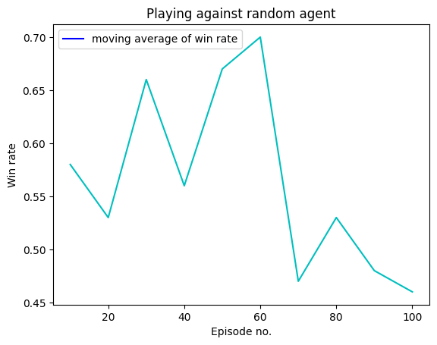 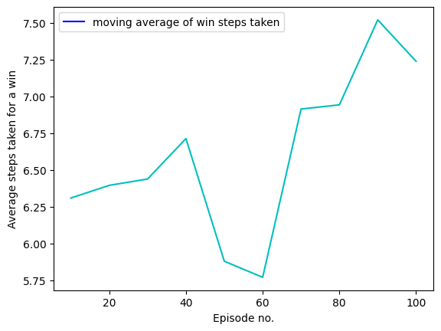 | Episode 99: | win_rate: 0.46 | moves_taken: 7.239130434782608 | 38.4s | 0 1 2 3 0 1 2 3 0 1 2 3 0 1 2 O 3 0 1 2 3 0 1 2 O 3 X 0 1 2 3 0 1 O 2 O 3 X 0 1 2 3 0 X 1 O 2 O 3 X 0 1 2 3 0 X 1 O 2 O O 3 X 0 1 2 3 0 X X 1 O 2 O O 3 X 0 1 2 3 0 X X 1 O 2 O O O 3 X 0 1 2 3 0 X X 1 O 2 O O O 3 X X 0 1 2 3 0 X X 1 O 2 O O O O 3 X X |  | 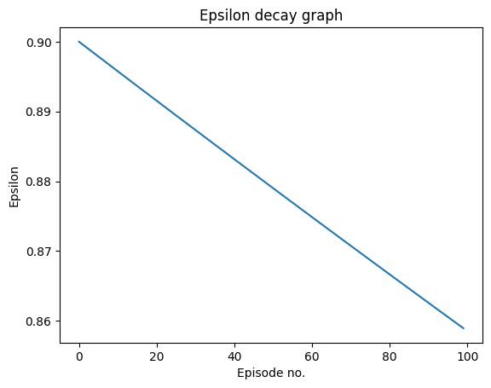
4 | 4 | 0.75 | 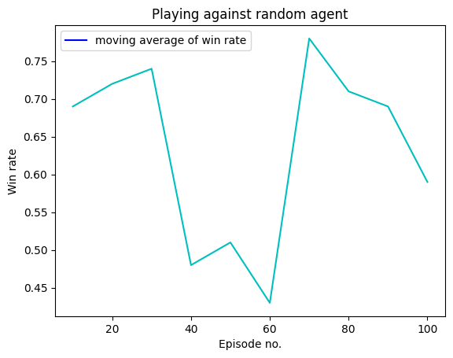 100 | 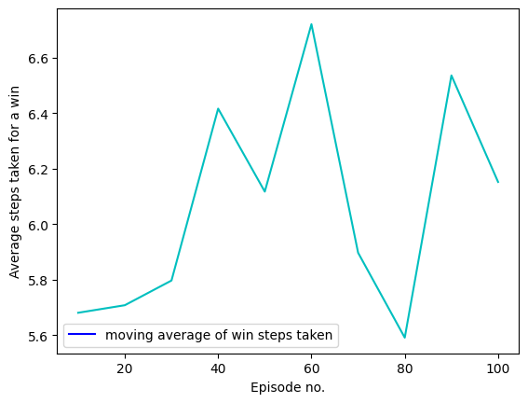 | Episode 99: | win_rate: 0.59 | moves_taken: 6.1525423728813555 | 35.9s | 0 1 2 3 0 1 2 3 0 1 2 3 0 1 2 O 3 0 1 2 3 0 1 2 X O 3 0 1 2 3 0 O 1 2 X O 3 0 1 2 3 0 O 1 2 X O 3 X 0 1 2 3 0 O O 1 2 X O 3 X 0 1 2 3 0 O X O 1 2 X O 3 X 0 1 2 3 0 O X O 1 O 2 X O 3 X 0 1 2 3 0 O X O 1 X O 2 X O 3 X 0 1 2 3 0 O X O 1 X O 2 X O O 3 X 0 1 2 3 0 O X O X 1 X O 2 X O O 3 X 0 1 2 3 0 O X O X 1 X O 2 X O O O 3 X 0 1 2 3 0 O X O X 1 X O 2 X O O O 3 X X 0 1 2 3 0 O X O X 1 X O 2 X O O O 3 X O X
4 | 4 | 0.6 | 100 | 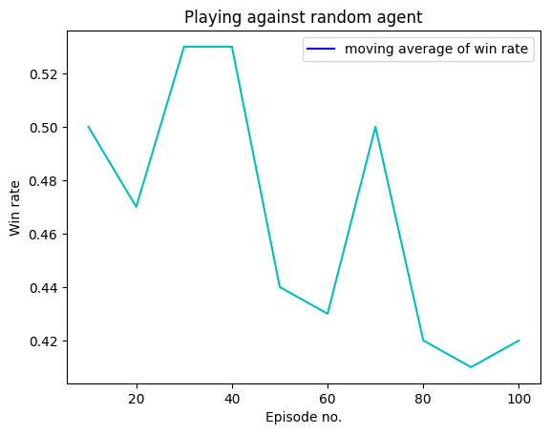 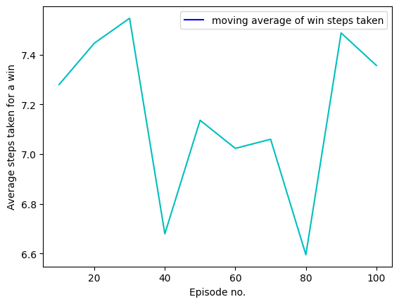 | Episode 99: | win_rate: 0.42 | moves_taken: 7.357142857142857 | 37.1s | 0 1 2 3 0 1 2 3 0 1 2 3 0 1 2 3 O 0 1 2 3 0 X 1 2 3 O 0 1 2 3 0 X O 1 2 3 O 0 1 2 3 0 X X O 1 2 3 O 0 1 2 3 0 X X O 1 2 3 O O 0 1 2 3 0 X X O 1 2 X 3 O O 0 1 2 3 0 X X O 1 O 2 X 3 O O 0 1 2 3 0 X X O 1 X O 2 X 3 O O 0 1 2 3 0 X X O 1 X O 2 X 3 O O O 0 1 2 3 0 X X O 1 X O 2 X X 3 O O O 0 1 2 3 0 X X O 1 X O 2 X X 3 O O O O |  | 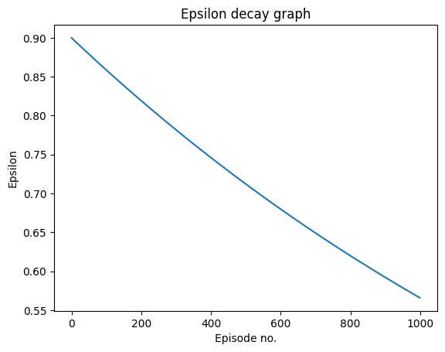
4 | 4 | 0.9 | 1000 | 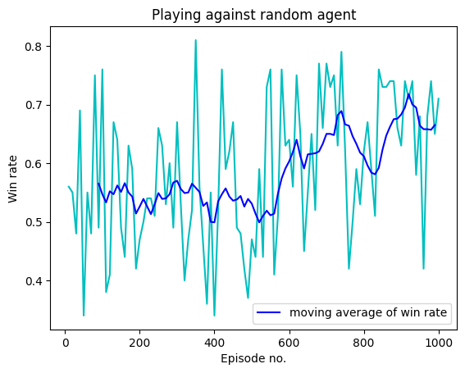 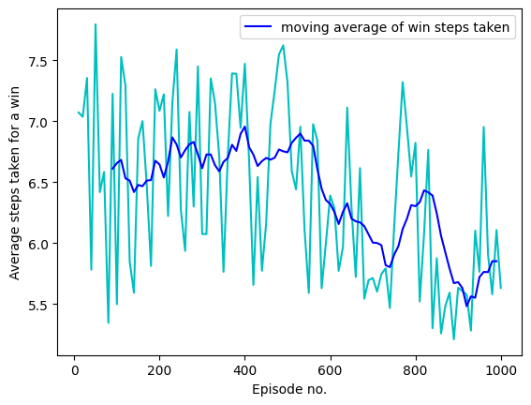 | Episode 99: | win_rate: 0.76 | moves_taken: 5.5 Episode 199: | win_rate: 0.47 | moves_taken: 7.085106382978723 Episode 299: | win_rate: 0.67 | moves_taken: 6.074626865671642 Episode 399: | win_rate: 0.34 | moves_taken: 7.470588235294118 Episode 499: | win_rate: 0.47 | moves_taken: 7.319148936170213 Episode 599: | win_rate: 0.64 | moves_taken: 6.390625 Episode 699: | win_rate: 0.77 | moves_taken: 5.714285714285714 Episode 799: | win_rate: 0.62 | moves_taken: 6.82258064516129 Episode 899: | win_rate: 0.63 | moves_taken: 5.634920634920635 Episode 999: | win_rate: 0.71 | moves_taken: 5.633802816901408 | 7m 13.5s | 0 1 2 3 0 1 2 3 0 1 2 3 0 1 2 3 O 0 1 2 3 0 X 1 2 3 O 0 1 2 3 0 X O 1 2 3 O 0 1 2 3 0 X O 1 2 3 X O 0 1 2 3 0 X O 1 2 3 O X O 0 1 2 3 0 X O 1 2 X 3 O X O 0 1 2 3 0 O X O 1 2 X 3 O X O 0 1 2 3 0 O X X O 1 2 X 3 O X O 0 1 2 3 0 O X X O 1 2 O X 3 O X O 0 1 2 3 0 O X X O 1 2 O X X 3 O X O 0 1 2 3 0 O X X O 1 2 O X X 3 O X O O 0 1 2 3 0 O X X O 1 X 2 O X X 3 O X O O
4 | 4 | 0.75 | 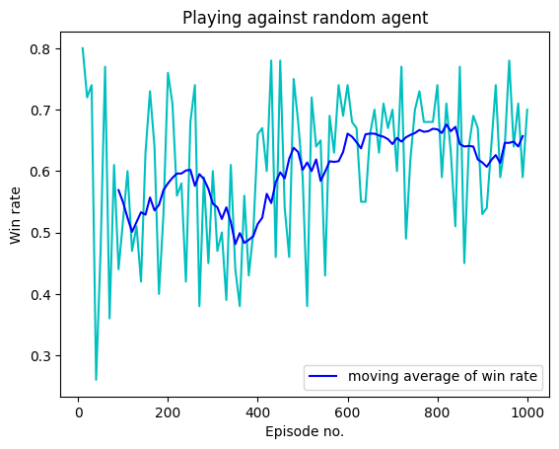 1000 | 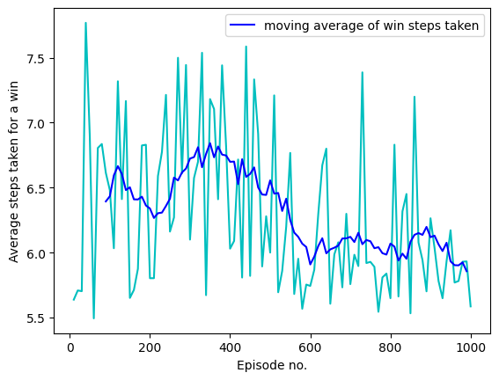 | Episode 99: | win_rate: 0.52 | moves_taken: 6.480769230769231 Episode 199: | win_rate: 0.76 | moves_taken: 5.802631578947368 Episode 299: | win_rate: 0.6 | moves_taken: 6.1 Episode 399: | win_rate: 0.66 | moves_taken: 6.03030303030303 Episode 499: | win_rate: 0.59 | moves_taken: 6.0 Episode 599: | win_rate: 0.74 | moves_taken: 5.743243243243243 Episode 699: | win_rate: 0.7 | moves_taken: 5.757142857142857 Episode 799: | win_rate: 0.74 | moves_taken: 5.648648648648648 Episode 899: | win_rate: 0.53 | moves_taken: 6.264150943396227 Episode 999: | win_rate: 0.7 | moves_taken: 5.585714285714285 | 7m 13.3s | 0 1 2 3 0 1 2 3 0 1 2 3 0 1 O 2 3 0 1 2 3 0 X 1 O 2 3 0 1 2 3 0 X 1 O O 2 3 0 1 2 3 0 X 1 O O 2 X 3 0 1 2 3 0 X 1 O O O 2 X 3 0 1 2 3 0 X 1 O O O 2 X X 3 0 1 2 3 0 X 1 O O O 2 X O X 3 0 1 2 3 0 X X 1 O O O 2 X O X 3 0 1 2 3 0 X X 1 O O O O 2 X O X 3 |  | 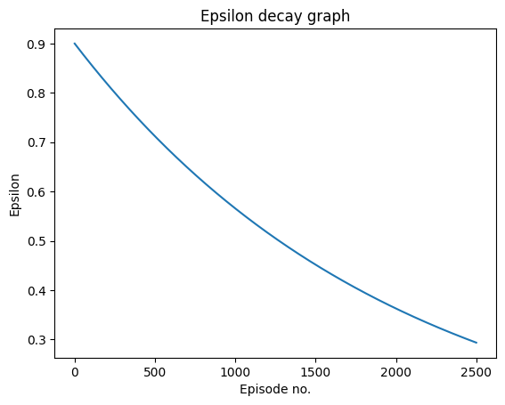
4 | 4 | 0.6 | 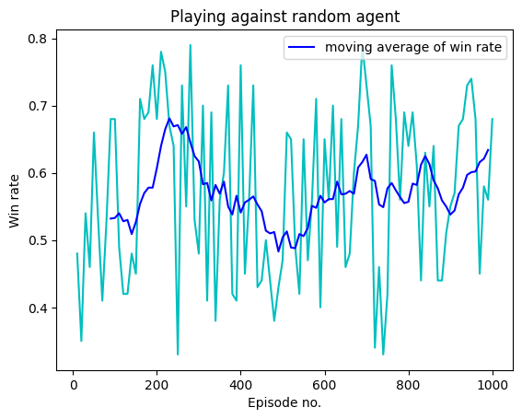 1000 | 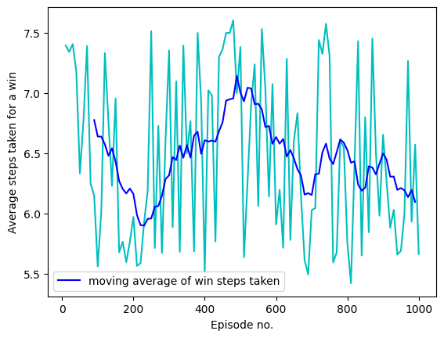 | Episode 99: | win_rate: 0.68 | moves_taken: 5.5588235294117645 Episode 199: | win_rate: 0.68 | moves_taken: 5.970588235294118 Episode 299: | win_rate: 0.48 | moves_taken: 7.354166666666667 Episode 399: | win_rate: 0.76 | moves_taken: 5.5131578947368425 Episode 499: | win_rate: 0.47 | moves_taken: 7.382978723404255 Episode 599: | win_rate: 0.65 | moves_taken: 5.907692307692308 Episode 699: | win_rate: 0.73 | moves_taken: 6.027397260273973 Episode 799: | win_rate: 0.64 | moves_taken: 5.75 Episode 899: | win_rate: 0.55 | moves_taken: 6.654545454545454 Episode 999: | win_rate: 0.68 | moves_taken: 5.661764705882353 | 7m 35.7s | 0 1 2 3 0 1 2 3 0 1 2 3 0 1 O 2 3 0 1 2 3 0 X 1 O 2 3 0 1 2 3 0 X 1 O O 2 3 0 1 2 3 0 X 1 O O 2 3 X 0 1 2 3 0 X 1 O O 2 O 3 X 0 1 2 3 0 X 1 O O X 2 O 3 X 0 1 2 3 0 O X 1 O O X 2 O 3 X 0 1 2 3 0 O X 1 O O X 2 X O 3 X 0 1 2 3 0 O X 1 O O O X 2 X O 3 X 0 1 2 3 0 O X X 1 O O O X 2 X O 3 X 0 1 2 3 0 O X X 1 O O O X 2 X O 3 O X
4 | 4 | 0.9 | 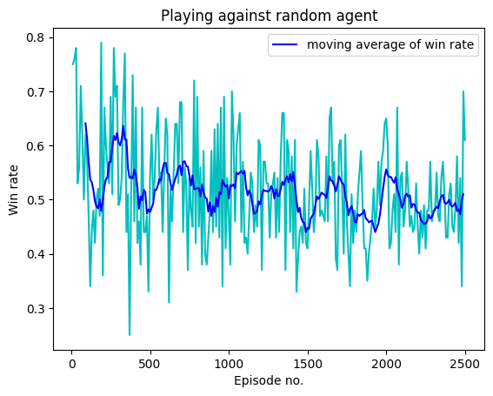 2500 | 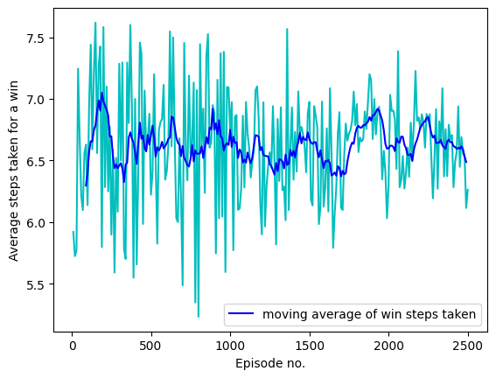 | Episode 99: | win_rate: 0.58 | moves_taken: 6.137931034482759 Episode 199: | win_rate: 0.36 | moves_taken: 7.583333333333333 Episode 299: | win_rate: 0.49 | moves_taken: 7.285714285714286 Episode 399: | win_rate: 0.46 | moves_taken: 7.0 Episode 499: | win_rate: 0.54 | moves_taken: 6.222222222222222 Episode 599: | win_rate: 0.65 | moves_taken: 6.415384615384616 Episode 699: | win_rate: 0.68 | moves_taken: 5.485294117647059 Episode 799: | win_rate: 0.69 | moves_taken: 5.231884057971015 Episode 899: | win_rate: 0.44 | moves_taken: 6.886363636363637 Episode 999: | win_rate: 0.47 | moves_taken: 6.74468085106383 Episode 1099: | win_rate: 0.42 | moves_taken: 6.976190476190476 Episode 1199: | win_rate: 0.6 | moves_taken: 5.9 Episode 1299: | win_rate: 0.43 | moves_taken: 6.837209302325581 Episode 1399: | win_rate: 0.58 | moves_taken: 6.344827586206897 Episode 1499: | win_rate: 0.41 | moves_taken: 6.975609756097561 Episode 1599: | win_rate: 0.47 | moves_taken: 6.276595744680851 Episode 1699: | win_rate: 0.6 | moves_taken: 6.116666666666666 Episode 1799: | win_rate: 0.48 | moves_taken: 6.958333333333333 Episode 1899: | win_rate: 0.43 | moves_taken: 6.674418604651163 Episode 1999: | win_rate: 0.65 | moves_taken: 6.292307692307692 Episode 2099: | win_rate: 0.55 | moves_taken: 6.2727272727272725 Episode 2199: | win_rate: 0.45 | moves_taken: 6.7555555555555555 Episode 2299: | win_rate: 0.48 | moves_taken: 6.916666666666667 Episode 2399: | win_rate: 0.51 | moves_taken: 6.705882352941177 Episode 2499: | win_rate: 0.61 | moves_taken: 6.262295081967213 | 20m 8.2s | 0 1 2 3 0 1 2 3 0 1 2 3 0 1 2 O 3 0 1 2 3 0 X 1 2 O 3 0 1 2 3 0 X 1 2 O O 3 0 1 2 3 0 X 1 X 2 O O 3 0 1 2 3 0 X O 1 X 2 O O 3 0 1 2 3 0 X X O 1 X 2 O O 3 0 1 2 3 0 X X O 1 O X 2 O O 3 0 1 2 3 0 X X O 1 O X X 2 O O 3 0 1 2 3 0 X X O 1 O O X X 2 O O 3 0 1 2 3 0 X X O 1 O O X X 2 X O O 3 0 1 2 3 0 X X O 1 O O X X 2 X O O 3 O 0 1 2 3 0 X X O 1 O O X X 2 X X O O 3 O 0 1 2 3 0 X X O 1 O O X X 2 X X O O 3 O O 0 1 2 3 0 X X O 1 O O X X 2 X X O O 3 X O O 0 1 2 3 0 X X O O 1 O O X X 2 X X O O 3 X O O 0 1 2 3 0 X X O O 1 O O X X 2 X X O O 3 X O O X
4 | 4 | 0.75 | 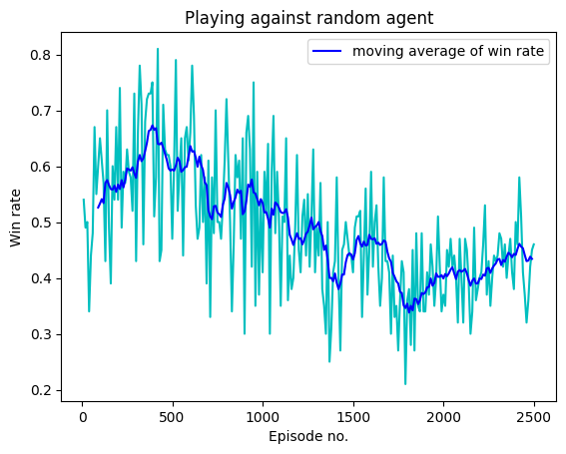 2500 | 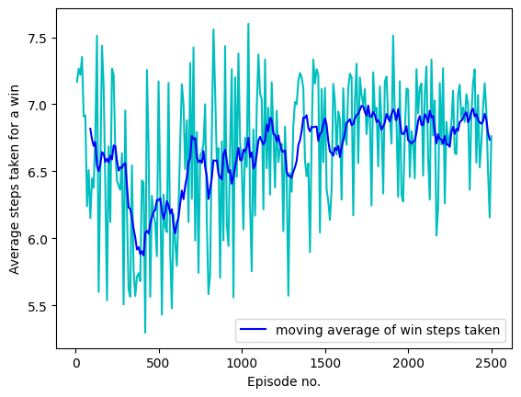 | Episode 99: | win_rate: 0.65 | moves_taken: 6.446153846153846 Episode 199: | win_rate: 0.54 | moves_taken: 6.685185185185185 Episode 299: | win_rate: 0.43 | moves_taken: 6.953488372093023 Episode 399: | win_rate: 0.51 | moves_taken: 6.431372549019608 Episode 499: | win_rate: 0.47 | moves_taken: 7.170212765957447 Episode 599: | win_rate: 0.66 | moves_taken: 5.96969696969697 Episode 699: | win_rate: 0.61 | moves_taken: 6.295081967213115 Episode 799: | win_rate: 0.72 | moves_taken: 5.583333333333333 Episode 899: | win_rate: 0.3 | moves_taken: 7.433333333333334 Episode 999: | win_rate: 0.41 | moves_taken: 6.536585365853658 Episode 1099: | win_rate: 0.35 | moves_taken: 7.371428571428571 Episode 1199: | win_rate: 0.45 | moves_taken: 6.377777777777778 Episode 1299: | win_rate: 0.49 | moves_taken: 6.346938775510204 Episode 1399: | win_rate: 0.43 | moves_taken: 6.558139534883721 Episode 1499: | win_rate: 0.41 | moves_taken: 7.121951219512195 Episode 1599: | win_rate: 0.59 | moves_taken: 6.288135593220339 Episode 1699: | win_rate: 0.41 | moves_taken: 6.560975609756097 Episode 1799: | win_rate: 0.36 | moves_taken: 6.944444444444445 Episode 1899: | win_rate: 0.34 | moves_taken: 6.705882352941177 Episode 1999: | win_rate: 0.37 | moves_taken: 7.108108108108108 Episode 2099: | win_rate: 0.4 | moves_taken: 7.075 Episode 2199: | win_rate: 0.4 | moves_taken: 6.7 Episode 2299: | win_rate: 0.44 | moves_taken: 7.068181818181818 Episode 2399: | win_rate: 0.5 | moves_taken: 7.26 Episode 2499: | win_rate: 0.46 | moves_taken: 6.760869565217392 | 19m 41.3s | 0 1 2 3 0 1 2 3 0 1 2 3 0 1 2 3 O 0 1 2 3 0 1 2 X 3 O 0 1 2 3 0 1 2 X O 3 O 0 1 2 3 0 1 2 X O X 3 O 0 1 2 3 0 O 1 2 X O X 3 O 0 1 2 3 0 O 1 2 X O X 3 X O 0 1 2 3 0 O 1 2 O X O X 3 X O 0 1 2 3 0 O 1 X 2 O X O X 3 X O 0 1 2 3 0 O O 1 X 2 O X O X 3 X O 0 1 2 3 0 O O 1 X X 2 O X O X 3 X O 0 1 2 3 0 O O 1 X X 2 O X O X 3 X O O 0 1 2 3 0 O O 1 X X 2 O X O X 3 X X O O 0 1 2 3 0 O O O 1 X X 2 O X O X 3 X X O O 0 1 2 3 0 O O O X 1 X X 2 O X O X 3 X X O O
4 | 4 | 0.6 | 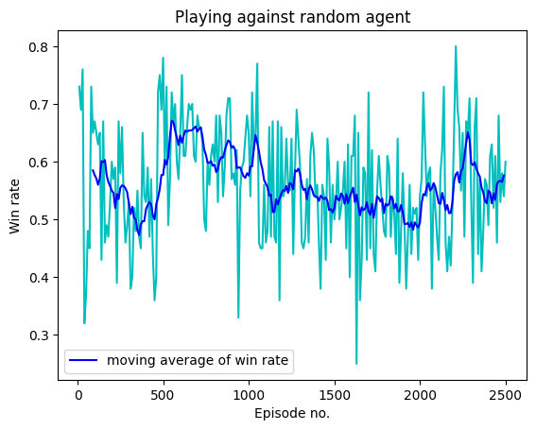 2500 | 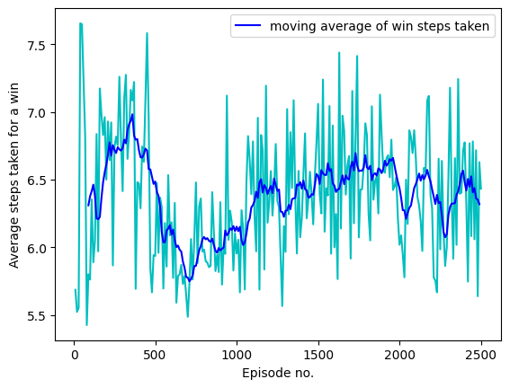 | Episode 99: | win_rate: 0.67 | moves_taken: 5.7611940298507465 Episode 199: | win_rate: 0.6 | moves_taken: 6.5 Episode 299: | win_rate: 0.53 | moves_taken: 6.415094339622642 Episode 399: | win_rate: 0.53 | moves_taken: 6.471698113207547 Episode 499: | win_rate: 0.78 | moves_taken: 5.935897435897436 Episode 599: | win_rate: 0.65 | moves_taken: 6.184615384615385 Episode 699: | win_rate: 0.68 | moves_taken: 5.485294117647059 Episode 799: | win_rate: 0.6 | moves_taken: 5.983333333333333 Episode 899: | win_rate: 0.57 | moves_taken: 6.333333333333333 Episode 999: | win_rate: 0.65 | moves_taken: 5.953846153846154 Episode 1099: | win_rate: 0.46 | moves_taken: 6.782608695652174 Episode 1199: | win_rate: 0.54 | moves_taken: 6.333333333333333 Episode 1299: | win_rate: 0.59 | moves_taken: 5.966101694915254 Episode 1399: | win_rate: 0.56 | moves_taken: 6.214285714285714 Episode 1499: | win_rate: 0.5 | moves_taken: 7.06 Episode 1599: | win_rate: 0.61 | moves_taken: 6.0 Episode 1699: | win_rate: 0.72 | moves_taken: 5.916666666666667 Episode 1799: | win_rate: 0.47 | moves_taken: 6.829787234042553 Episode 1899: | win_rate: 0.58 | moves_taken: 6.568965517241379 Episode 1999: | win_rate: 0.54 | moves_taken: 6.018518518518518 Episode 2099: | win_rate: 0.47 | moves_taken: 6.659574468085107 Episode 2199: | win_rate: 0.66 | moves_taken: 6.287878787878788 Episode 2299: | win_rate: 0.53 | moves_taken: 6.509433962264151 Episode 2399: | win_rate: 0.49 | moves_taken: 6.775510204081633 Episode 2499: | win_rate: 0.6 | moves_taken: 6.433333333333334 | 18m29.9s | 0 1 2 3 0 1 2 3 0 1 2 3 0 1 O 2 3 0 1 2 3 0 X 1 O 2 3 0 1 2 3 0 X 1 O O 2 3 0 1 2 3 0 X X 1 O O 2 3 0 1 2 3 0 X X 1 O O 2 3 O 0 1 2 3 0 X X 1 O O X 2 3 O 0 1 2 3 0 X X O 1 O O X 2 3 O 0 1 2 3 0 X X O 1 O O X 2 3 X O 0 1 2 3 0 X X O 1 O O X O 2 3 X O 0 1 2 3 0 X X O 1 O O X O 2 X 3 X O 0 1 2 3 0 X X O 1 O O X O 2 X 3 O X O 0 1 2 3 0 X X O 1 O O X O 2 X X 3 O X O 0 1 2 3 0 X X O 1 O O X O 2 O X X 3 O X O 0 1 2 3 0 X X O 1 O O X O 2 O X X 3 X O X O 0 1 2 3 0 X X O O 1 O O X O 2 O X X 3 X O X O 0 1 2 3 0 X X O O 1 O O X O 2 X O X X 3 X O X O

5 | 4 | 0.9 | 100 | 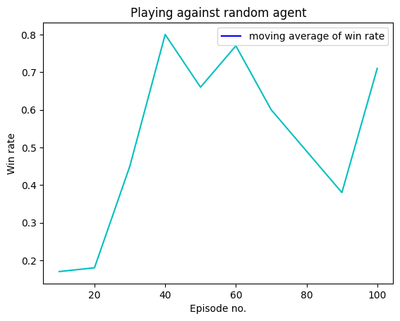 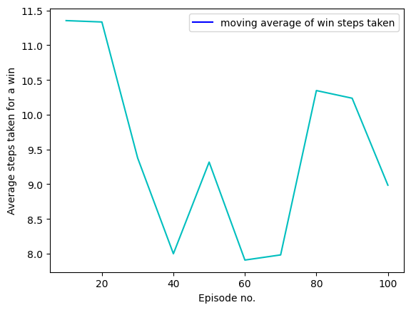 | Episode 99: | win_rate: 0.71 | moves_taken: 8.985915492957746 | 1m 2.5s | 0 1 2 3 4 0 1 2 3 4 0 1 2 3 4 0 1 2 3 O 4 0 1 2 3 4 0 1 2 X 3 O 4 0 1 2 3 4 0 1 2 X O 3 O 4 0 1 2 3 4 0 1 X 2 X O 3 O 4 0 1 2 3 4 0 1 X O 2 X O 3 O 4 0 1 2 3 4 0 1 X O 2 X X O 3 O 4 0 1 2 3 4 0 1 X O 2 X X O 3 O O 4 0 1 2 3 4 0 1 X O 2 X X O 3 O X O 4 0 1 2 3 4 0 1 X O O 2 X X O 3 O X O 4 0 1 2 3 4 0 1 X O O 2 X X O X 3 O X O 4 0 1 2 3 4 0 1 X O O 2 X X O X 3 O X O O 4 0 1 2 3 4 0 X 1 X O O 2 X X O X 3 O X O O 4 0 1 2 3 4 0 O X 1 X O O 2 X X O X 3 O X O O 4
5 | 4 | 0.75 | 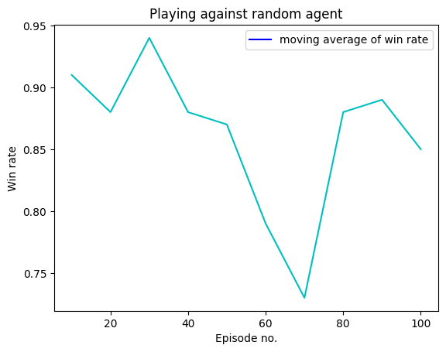 100 | 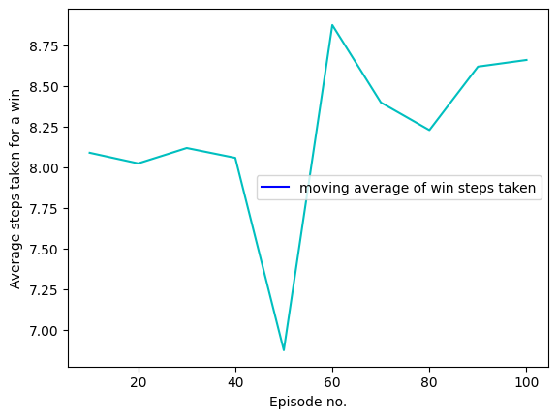 | Episode 99: | win_rate: 0.85 | moves_taken: 8.658823529411764 | 52.4s | 0 1 2 3 4 0 1 2 3 4 0 1 2 3 4 0 1 O 2 3 4 0 1 2 3 4 0 1 X O 2 3 4 0 1 2 3 4 0 1 X O O 2 3 4 0 1 2 3 4 0 1 X O O 2 3 X 4 0 1 2 3 4 0 1 X O O 2 3 O X 4 0 1 2 3 4 0 X 1 X O O 2 3 O X 4 0 1 2 3 4 0 X 1 X O O 2 3 O O X 4 0 1 2 3 4 0 X X 1 X O O 2 3 O O X 4 0 1 2 3 4 0 X O X 1 X O O 2 3 O O X 4 0 1 2 3 4 0 X O X 1 X O O 2 X 3 O O X 4 0 1 2 3 4 0 X O X 1 X O O O 2 X 3 O O X 4 0 1 2 3 4 0 X X O X 1 X O O O 2 X 3 O O X 4 0 1 2 3 4 0 X X O X 1 X O O O 2 X 3 O O O X 4 0 1 2 3 4 0 X X O X 1 X O O O 2 X X 3 O O O X 4 0 1 2 3 4 0 X X O X 1 X O O O 2 X O X 3 O O O X 4
5 | 4 | 0.6 | 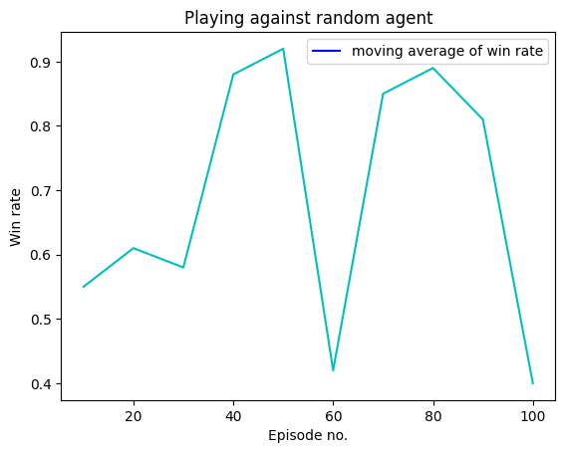 100 | 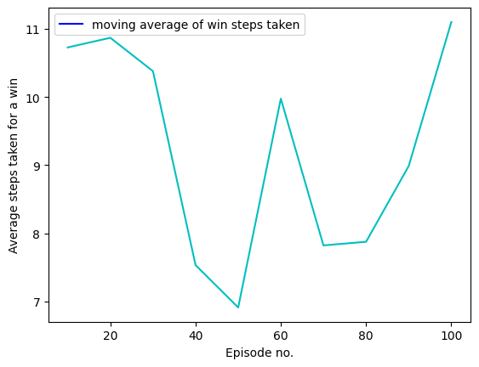 | Episode 99: | win_rate: 0.4 | moves_taken: 11.1 | 56.1s | 0 1 2 3 4 0 1 2 3 4 0 1 2 3 4 0 1 2 O 3 4 0 1 2 3 4 0 1 2 O X 3 4 0 1 2 3 4 0 O 1 2 O X 3 4 0 1 2 3 4 0 O X 1 2 O X 3 4 0 1 2 3 4 0 O X 1 2 O O X 3 4 0 1 2 3 4 0 O X 1 X 2 O O X 3 4 0 1 2 3 4 0 O O X 1 X 2 O O X 3 4 0 1 2 3 4 0 O X O X 1 X 2 O O X 3 4 0 1 2 3 4 0 O X O X 1 X 2 O O X 3 O 4 0 1 2 3 4 0 O X O X 1 X 2 O O X 3 O X 4 0 1 2 3 4 0 O X O X 1 X O 2 O O X 3 O X 4
5 | 4 | 0.9 | 1000 | 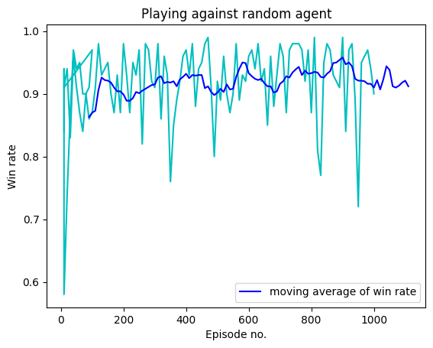 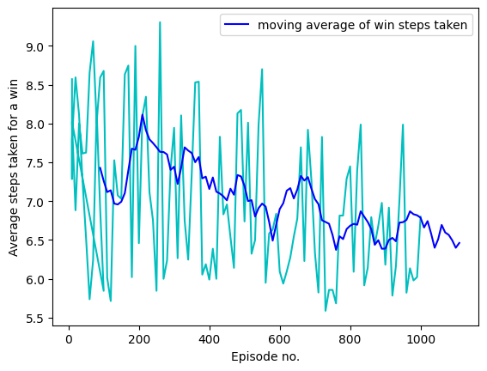 | Episode 999: | win_rate: 0.9 | moves_taken: 6.8 | 10m 37.7s | 0 1 2 3 4 0 1 2 3 4 0 1 2 3 4 0 1 O 2 3 4 0 1 2 3 4 0 1 O 2 3 X 4 0 1 2 3 4 0 1 O O 2 3 X 4 0 1 2 3 4 0 1 O O 2 3 X 4 X 0 1 2 3 4 0 1 O O 2 O 3 X 4 X 0 1 2 3 4 0 X 1 O O 2 O 3 X 4 X 0 1 2 3 4 0 X 1 O O 2 O O 3 X 4 X 0 1 2 3 4 0 X X 1 O O 2 O O 3 X 4 X 0 1 2 3 4 0 X X 1 O O O 2 O O 3 X 4 X 0 1 2 3 4 0 X X 1 X O O O 2 O O 3 X 4 X 0 1 2 3 4 0 X X 1 X O O O 2 O O 3 O X 4 X 0 1 2 3 4 0 X X 1 X O O O 2 O O 3 O X X 4 X 0 1 2 3 4 0 X X O 1 X O O O 2 O O 3 O X X 4 X 0 1 2 3 4 0 X X O X 1 X O O O 2 O O 3 O X X 4 X 0 1 2 3 4 0 X X O X 1 X O O O 2 O O O 3 O X X 4 X 0 1 2 3 4 0 X X O X 1 X O O O X 2 O O O 3 O X X 4 X 0 1 2 3 4 0 X X O X 1 X O O O X 2 O O O 3 O O X X 4 X
5 | 4 | 0.75 | 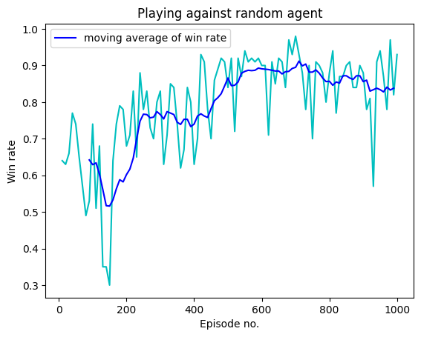 1000 | 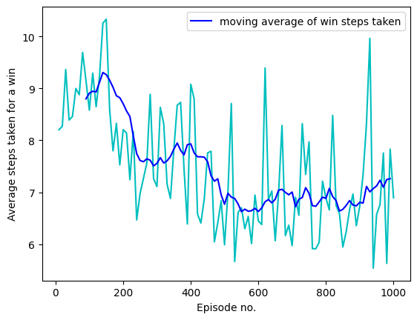 | Episode 99: | win_rate: 0.74 | moves_taken: 8.58108108108108 Episode 199: | win_rate: 0.68 | moves_taken: 8.205882352941176 Episode 299: | win_rate: 0.83 | moves_taken: 7.108433734939759 Episode 399: | win_rate: 0.63 | moves_taken: 9.079365079365079 Episode 499: | win_rate: 0.84 | moves_taken: 5.988095238095238 Episode 599: | win_rate: 0.9 | moves_taken: 6.444444444444445 Episode 699: | win_rate: 0.98 | moves_taken: 5.969387755102041 Episode 799: | win_rate: 0.88 | moves_taken: 6.886363636363637 Episode 899: | win_rate: 0.88 | moves_taken: 6.7272727272727275 Episode 999: | win_rate: 0.93 | moves_taken: 6.89247311827957 | 9m 34.1s | 0 1 2 3 4 0 1 2 3 4 0 1 2 3 4 0 O 1 2 3 4 0 1 2 3 4 0 O 1 2 X 3 4 0 1 2 3 4 0 O O 1 2 X 3 4 0 1 2 3 4 0 O O 1 2 X 3 4 X 0 1 2 3 4 0 O O 1 2 X 3 O 4 X 0 1 2 3 4 0 O O 1 X 2 X 3 O 4 X 0 1 2 3 4 0 O O 1 X 2 X 3 O O 4 X 0 1 2 3 4 0 O O 1 X 2 X X 3 O O 4 X 0 1 2 3 4 0 O O O 1 X 2 X X 3 O O 4 X 0 1 2 3 4 0 O O O 1 X X 2 X X 3 O O 4 X 0 1 2 3 4 0 O O O O 1 X X 2 X X 3 O O 4 X
5 | 4 | 0.6 | 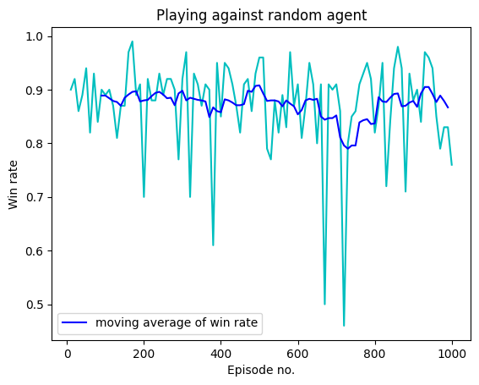 1000 | 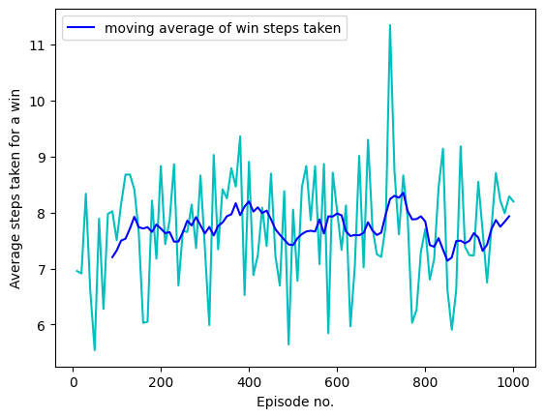 | Episode 99: | win_rate: 0.89 | moves_taken: 7.50561797752809 Episode 199: | win_rate: 0.7 | moves_taken: 8.82857142857143 Episode 299: | win_rate: 0.92 | moves_taken: 7.358695652173913 Episode 399: | win_rate: 0.85 | moves_taken: 8.905882352941177 Episode 499: | win_rate: 0.96 | moves_taken: 8.052083333333334 Episode 599: | win_rate: 0.91 | moves_taken: 8.021978021978022 Episode 699: | win_rate: 0.91 | moves_taken: 7.208791208791209 Episode 799: | win_rate: 0.82 | moves_taken: 7.7073170731707314 Episode 899: | win_rate: 0.88 | moves_taken: 7.238636363636363 Episode 999: | win_rate: 0.76 | moves_taken: 8.197368421052632 | 9m 35.2s | 0 1 2 3 4 0 1 2 3 4 0 1 2 3 4 0 1 2 3 O 4 0 1 2 3 4 0 1 2 3 O X 4 0 1 2 3 4 0 1 2 O 3 O X 4 0 1 2 3 4 0 X 1 2 O 3 O X 4 0 1 2 3 4 0 X 1 2 O 3 O O X 4 0 1 2 3 4 0 X 1 2 O X 3 O O X 4 0 1 2 3 4 0 X 1 2 O O X 3 O O X 4 0 1 2 3 4 0 X 1 2 X O O X 3 O O X 4 0 1 2 3 4 0 X O 1 2 X O O X 3 O O X 4 0 1 2 3 4 0 X O 1 2 X O O X 3 X O O X 4 0 1 2 3 4 0 X O 1 O 2 X O O X 3 X O O X 4
5 | 4 | 0.9 | 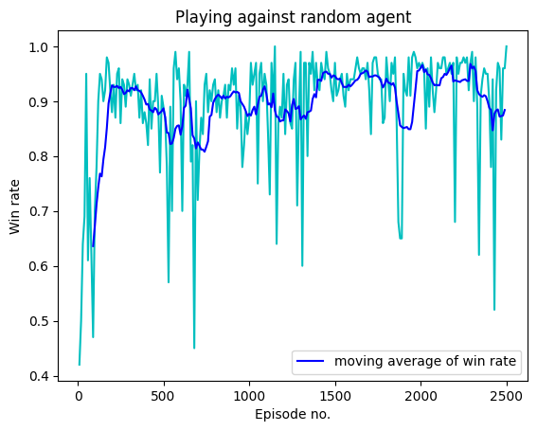 2500 | 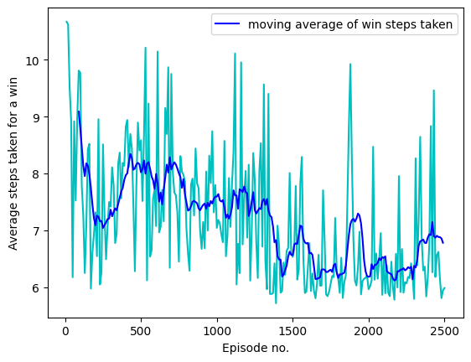 | Episode 99: | win_rate: 0.7 | moves_taken: 9.771428571428572 Episode 199: | win_rate: 0.88 | moves_taken: 7.318181818181818 Episode 299: | win_rate: 0.93 | moves_taken: 7.419354838709677 Episode 399: | win_rate: 0.86 | moves_taken: 8.825581395348838 Episode 499: | win_rate: 0.89 | moves_taken: 8.584269662921349 Episode 599: | win_rate: 0.9 | moves_taken: 7.0777777777777775 Episode 699: | win_rate: 0.72 | moves_taken: 9.75 Episode 799: | win_rate: 0.94 | moves_taken: 7.0212765957446805 Episode 899: | win_rate: 0.96 | moves_taken: 6.677083333333333 Episode 999: | win_rate: 0.87 | moves_taken: 7.045977011494253 Episode 1099: | win_rate: 0.93 | moves_taken: 7.827956989247312 Episode 1199: | win_rate: 0.95 | moves_taken: 6.873684210526315 Episode 1299: | win_rate: 0.99 | moves_taken: 6.717171717171717 Episode 1399: | win_rate: 0.93 | moves_taken: 7.086021505376344 Episode 1499: | win_rate: 0.97 | moves_taken: 6.536082474226804 Episode 1599: | win_rate: 0.94 | moves_taken: 6.340425531914893 Episode 1699: | win_rate: 0.92 | moves_taken: 7.706521739130435 Episode 1799: | win_rate: 0.98 | moves_taken: 6.153061224489796 Episode 1899: | win_rate: 0.95 | moves_taken: 6.842105263157895 Episode 1999: | win_rate: 0.96 | moves_taken: 5.96875 Episode 2099: | win_rate: 0.97 | moves_taken: 6.505154639175258 Episode 2199: | win_rate: 0.68 | moves_taken: 7.955882352941177 Episode 2299: | win_rate: 0.99 | moves_taken: 5.797979797979798 Episode 2399: | win_rate: 0.9 | moves_taken: 6.7555555555555555 Episode 2499: | win_rate: 1.0 | moves_taken: 5.99 | 23m 4.9s | 0 1 2 3 4 0 1 2 3 4 0 1 2 3 4 0 1 2 O 3 4 0 1 2 3 4 0 1 2 O 3 X 4 0 1 2 3 4 0 1 O 2 O 3 X 4 0 1 2 3 4 0 1 X O 2 O 3 X 4 0 1 2 3 4 0 1 X O 2 O O 3 X 4 0 1 2 3 4 0 X 1 X O 2 O O 3 X 4 0 1 2 3 4 0 X 1 X O 2 O O O 3 X 4 0 1 2 3 4 0 X 1 X O 2 O O O 3 X 4 X 0 1 2 3 4 0 X 1 X O 2 O O O 3 X O 4 X 0 1 2 3 4 0 X 1 X O 2 O O O 3 X O 4 X X 0 1 2 3 4 0 X 1 X O 2 O O O O 3 X O 4 X X
5 | 4 | 0.75 | 2500 | 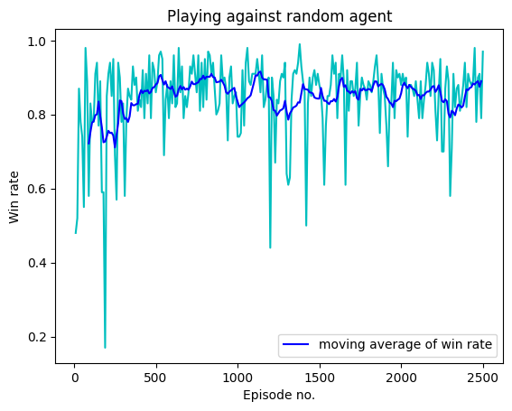 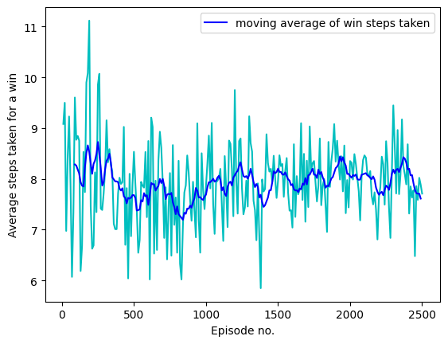 | Episode 99: | win_rate: 0.83 | moves_taken: 8.771084337349398 Episode 199: | win_rate: 0.85 | moves_taken: 7.458823529411765 Episode 299: | win_rate: 0.83 | moves_taken: 8.168674698795181 Episode 399: | win_rate: 0.84 | moves_taken: 8.023809523809524 Episode 499: | win_rate: 0.86 | moves_taken: 8.534883720930232 Episode 599: | win_rate: 0.83 | moves_taken: 8.74698795180723 Episode 699: | win_rate: 0.86 | moves_taken: 7.930232558139535 Episode 799: | win_rate: 0.95 | moves_taken: 6.5473684210526315 Episode 899: | win_rate: 0.96 | moves_taken: 7.177083333333333 Episode 999: | win_rate: 0.74 | moves_taken: 7.851351351351352 Episode 1099: | win_rate: 0.91 | moves_taken: 8.197802197802197 Episode 1199: | win_rate: 0.44 | moves_taken: 9.75 Episode 1299: | win_rate: 0.64 | moves_taken: 9.234375 Episode 1399: | win_rate: 0.89 | moves_taken: 7.752808988764045 Episode 1499: | win_rate: 0.88 | moves_taken: 7.965909090909091 Episode 1599: | win_rate: 0.94 | moves_taken: 7.042553191489362 Episode 1699: | win_rate: 0.89 | moves_taken: 8.359550561797754 Episode 1799: | win_rate: 0.89 | moves_taken: 7.48314606741573 Episode 1899: | win_rate: 0.85 | moves_taken: 8.341176470588236 Episode 1999: | win_rate: 0.88 | moves_taken: 8.352272727272727 Episode 2099: | win_rate: 0.84 | moves_taken: 8.464285714285714 Episode 2199: | win_rate: 0.92 | moves_taken: 7.630434782608695 Episode 2299: | win_rate: 0.58 | moves_taken: 9.448275862068966 Episode 2399: | win_rate: 0.82 | moves_taken: 8.682926829268293 Episode 2499: | win_rate: 0.97 | moves_taken: 7.711340206185567 | 26m 5.1s | 0 1 2 3 4 0 1 2 3 4 0 1 2 3 4 0 1 2 O 3 4 0 1 2 3 4 0 1 2 O X 3 4 0 1 2 3 4 0 1 2 O O X 3 4 0 1 2 3 4 0 1 2 O O X 3 X 4 0 1 2 3 4 0 1 2 O O X 3 O X 4 0 1 2 3 4 0 1 2 X O O X 3 O X 4 0 1 2 3 4 0 1 O 2 X O O X 3 O X 4 0 1 2 3 4 0 X 1 O 2 X O O X 3 O X 4 0 1 2 3 4 0 X 1 O 2 X O O O X 3 O X 4 0 1 2 3 4 0 X 1 O X 2 X O O O X 3 O X 4 0 1 2 3 4 0 X 1 O X 2 X O O O X 3 O X 4 O
5 | 4 | 0.6 | 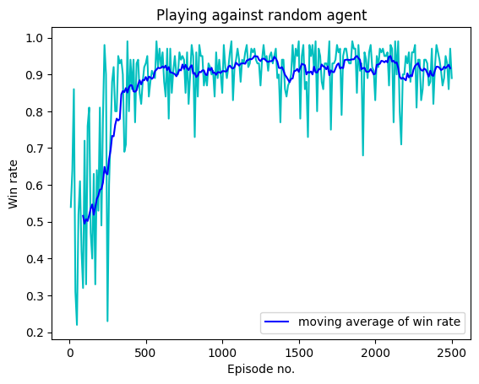 2500 | 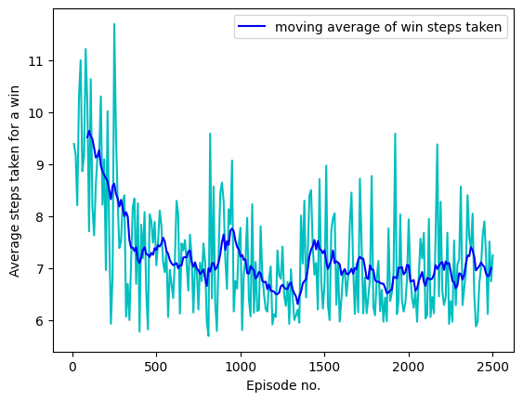 | Episode 99: | win_rate: 0.72 | moves_taken: 7.708333333333333 Episode 199: | win_rate: 0.81 | moves_taken: 6.962962962962963 Episode 299: | win_rate: 0.8 | moves_taken: 8.2625 Episode 399: | win_rate: 0.94 | moves_taken: 5.776595744680851 Episode 499: | win_rate: 0.93 | moves_taken: 7.053763440860215 Episode 599: | win_rate: 0.92 | moves_taken: 6.423913043478261 Episode 699: | win_rate: 0.9 | moves_taken: 7.644444444444445 Episode 799: | win_rate: 0.98 | moves_taken: 5.959183673469388 Episode 899: | win_rate: 0.87 | moves_taken: 8.28735632183908 Episode 999: | win_rate: 0.85 | moves_taken: 7.776470588235294 Episode 1099: | win_rate: 0.97 | moves_taken: 6.175257731958763 Episode 1199: | win_rate: 0.96 | moves_taken: 6.114583333333333 Episode 1299: | win_rate: 0.91 | moves_taken: 6.978021978021978 Episode 1399: | win_rate: 0.94 | moves_taken: 7.308510638297872 Episode 1499: | win_rate: 0.99 | moves_taken: 6.696969696969697 Episode 1599: | win_rate: 0.91 | moves_taken: 6.395604395604396 Episode 1699: | win_rate: 0.99 | moves_taken: 6.151515151515151 Episode 1799: | win_rate: 0.97 | moves_taken: 6.092783505154639 Episode 1899: | win_rate: 0.91 | moves_taken: 6.527472527472527 Episode 1999: | win_rate: 0.83 | moves_taken: 7.9397590361445785 Episode 2099: | win_rate: 0.98 | moves_taken: 6.030612244897959 Episode 2199: | win_rate: 0.95 | moves_taken: 6.557894736842106 Episode 2299: | win_rate: 0.83 | moves_taken: 7.168674698795181 Episode 2399: | win_rate: 0.98 | moves_taken: 5.877551020408164 Episode 2499: | win_rate: 0.89 | moves_taken: 7.247191011235955 | 23m 54.1s | 0 1 2 3 4 0 1 2 3 4 0 1 2 3 4 0 1 O 2 3 4 0 1 2 3 4 0 1 O 2 X 3 4 0 1 2 3 4 0 1 O O 2 X 3 4 0 1 2 3 4 0 X 1 O O 2 X 3 4 0 1 2 3 4 0 X 1 O O O 2 X 3 4 0 1 2 3 4 0 X 1 O O O 2 X X 3 4 0 1 2 3 4 0 O X 1 O O O 2 X X 3 4 0 1 2 3 4 0 O X 1 O O X O 2 X X 3 4 0 1 2 3 4 0 O X 1 O O O X O 2 X X 3 4 0 1 2 3 4 0 O X 1 O O O X O 2 X X 3 X 4 0 1 2 3 4 0 O X 1 O O O X O 2 X O X 3 X 4 0 1 2 3 4 0 O X 1 O O O X O 2 X O X 3 X X 4 0 1 2 3 4 0 O O X 1 O O O X O 2 X O X 3 X X 4 0 1 2 3 4 0 O O X 1 O O O X O 2 X O X 3 X X X 4 0 1 2 3 4 0 O O X 1 O O O X O 2 X O X 3 X X X 4 O 0 1 2 3 4 0 O O X 1 O O O X O 2 X O X 3 X X X 4 O X 0 1 2 3 4 0 O O X 1 O O O X O 2 X O O X 3 X X X 4 O X 0 1 2 3 4 0 O O X 1 O O O X O 2

6 | 4 | 0.9 | 100 | 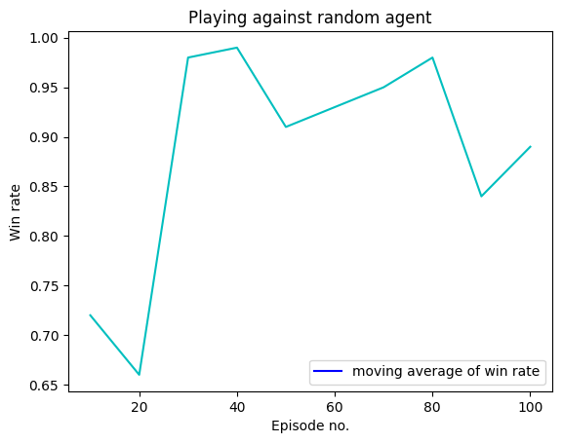 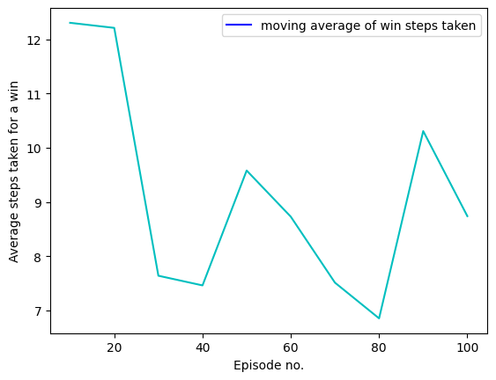 | Episode 99: | win_rate: 0.89 | moves_taken: 8.741573033707866 | 1m 37.2s | 0 1 2 3 4 5 0 1 2 3 4 5 0 1 2 3 4 5 0 1 2 3 4 5 O 0 1 2 3 4 5 0 X 1 2 3 4 5 O 0 1 2 3 4 5 0 X 1 2 3 O 4 5 O 0 1 2 3 4 5 0 X 1 2 3 O 4 X 5 O 0 1 2 3 4 5 0 X 1 2 3 O 4 X 5 O O 0 1 2 3 4 5 0 X 1 2 3 O 4 X X 5 O O 0 1 2 3 4 5 0 X 1 O 2 3 O 4 X X 5 O O 0 1 2 3 4 5 0 X 1 O 2 3 O 4 X X 5 X O O 0 1 2 3 4 5 0 X 1 O 2 3 O 4 X X 5 X O O O 0 1 2 3 4 5 0 X 1 O 2 X 3 O 4 X X 5 X O O O 0 1 2 3 4 5 0 X 1 O 2 X 3 O O 4 X X 5 X O O O 0 1 2 3 4 5 0 X 1 X O 2 X 3 O O 4 X X 5 X O O O 0 1 2 3 4 5 0 X 1 X O 2 X O 3
6 | 4 | 0.75 | 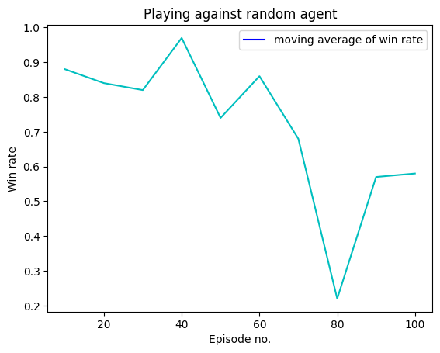 100 | 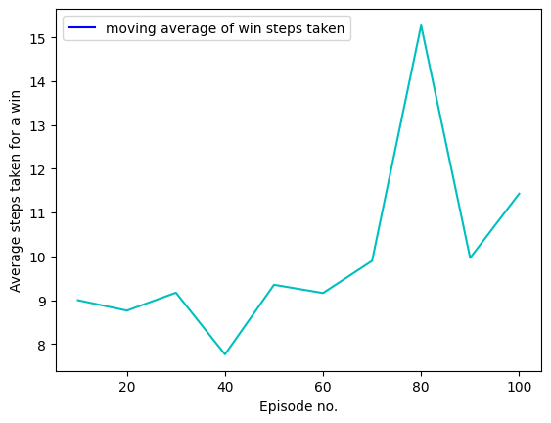 | Episode 99: | win_rate: 0.58 | moves_taken: 11.431034482758621 | 1m 44.4s | 0 1 2 3 4 5 0 1 2 3 4 5 0 1 2 3 4 5 0 1 2 3 4 O 5 0 1 2 3 4 5 0 1 2 X 3 4 O 5 0 1 2 3 4 5 0 O 1 2 X 3 4 O 5 0 1 2 3 4 5 0 O 1 X 2 X 3 4 O 5 0 1 2 3 4 5 0 O O 1 X 2 X 3 4 O 5 0 1 2 3 4 5 0 O O 1 X 2 X 3 4 O 5 X 0 1 2 3 4 5 0 O O 1 X 2 X 3 4 O O 5 X 0 1 2 3 4 5 0 O O 1 X 2 X 3 X 4 O O 5 X 0 1 2 3 4 5 0 O O O 1 X 2 X 3 X 4 O O 5 X 0 1 2 3 4 5 0 O O O 1 X 2 X 3 X 4 O O 5 X X 0 1 2 3 4 5 0 O O O 1 O X 2 X 3 X 4 O O 5 X X 0 1 2 3 4 5 0 O O O 1 O X 2 X 3 X 4 O X O 5 X X
6 | 4 | 0.6 | 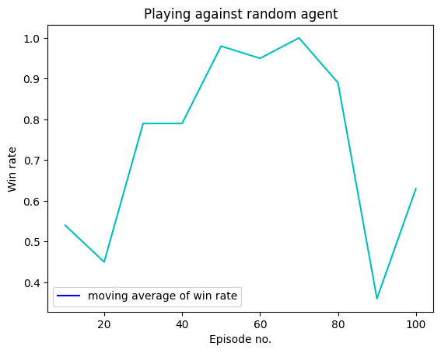 100 | 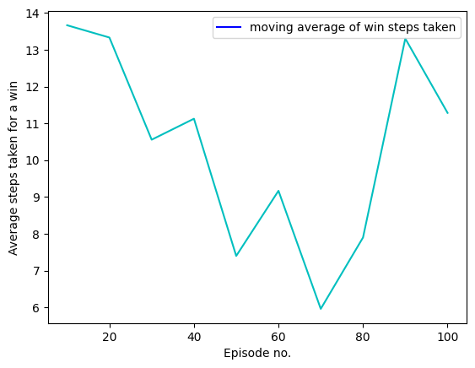 | Episode 99: | win_rate: 0.63 | moves_taken: 11.285714285714286 | 1m 36.4s | 0 1 2 3 4 5 0 1 2 3 4 5 0 1 2 3 4 5 0 1 2 O 3 4 5 0 1 2 3 4 5 0 1 2 O 3 X 4 5 0 1 2 3 4 5 0 1 2 O O 3 X 4 5 0 1 2 3 4 5 0 1 X 2 O O 3 X 4 5 0 1 2 3 4 5 0 1 X 2 O O 3 X 4 O 5 0 1 2 3 4 5 0 1 X 2 O O 3 X X 4 O 5 0 1 2 3 4 5 0 1 X 2 O O O 3 X X 4 O 5 0 1 2 3 4 5 0 1 X 2 O O O 3 X X 4 O X 5 0 1 2 3 4 5 0 O 1 X 2 O O O 3 X X 4 O X 5 0 1 2 3 4 5 0 O 1 X 2 O O O 3 X X 4 O X 5 X 0 1 2 3 4 5 0 O 1 X 2 O O O O 3 X X 4 O X 5 X 0 1 2 3 4 5 0 O 1 X 2 O O O O 3 X X 4 O X 5 X X 0 1 2 3 4 5 0 O 1 X 2 O O O O 3 X
6 | 4 | 0.9 | 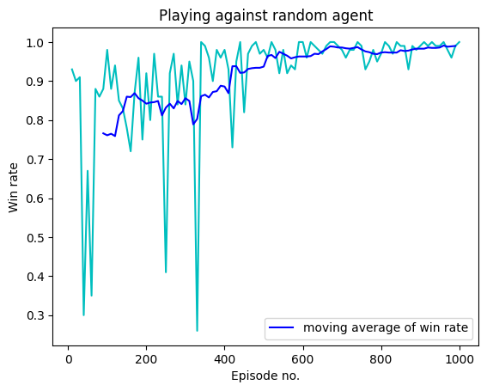 1000 | 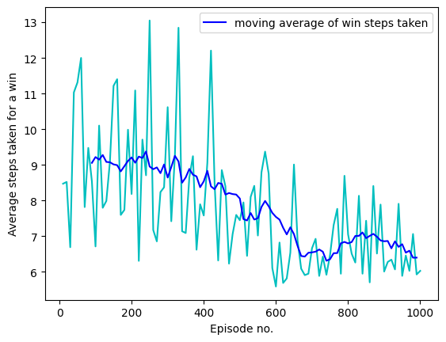 | Episode 99: | win_rate: 0.98 | moves_taken: 6.714285714285714 Episode 199: | win_rate: 0.92 | moves_taken: 8.184782608695652 Episode 299: | win_rate: 0.84 | moves_taken: 10.619047619047619 Episode 399: | win_rate: 0.98 | moves_taken: 7.581632653061225 Episode 499: | win_rate: 0.98 | moves_taken: 7.448979591836735 Episode 599: | win_rate: 1.0 | moves_taken: 5.59 Episode 699: | win_rate: 0.98 | moves_taken: 6.663265306122449 Episode 799: | win_rate: 0.97 | moves_taken: 7.051546391752577 Episode 899: | win_rate: 0.99 | moves_taken: 6.01010101010101 Episode 999: | win_rate: 1.0 | moves_taken: 6.03 | 15m 2.7s | 0 1 2 3 4 5 0 1 2 3 4 5 0 1 2 3 4 5 0 1 2 O 3 4 5 0 1 2 3 4 5 0 1 2 O 3 X 4 5 0 1 2 3 4 5 0 1 O 2 O 3 X 4 5 0 1 2 3 4 5 0 1 O 2 O 3 X 4 X 5 0 1 2 3 4 5 0 1 O 2 O O 3 X 4 X 5 0 1 2 3 4 5 0 1 O 2 O O 3 X X 4 X 5 0 1 2 3 4 5 0 1 O O 2 O O 3 X X 4 X 5 0 1 2 3 4 5 0 X 1 O O 2 O O 3 X X 4 X 5 0 1 2 3 4 5 0 X 1 O O 2 O O O 3 X X 4 X 5 0 1 2 3 4 5 0 X 1 O O 2 X O O O 3 X X 4 X 5 0 1 2 3 4 5 0 X 1 O O 2 X O O O 3 X O X 4 X 5 0 1 2 3 4 5 0 X 1 O O 2 X O O O 3 X O X 4 X X 5 0 1 2 3 4 5 0 X 1 O O O 2 X O O O 3
6 | 4 | 0.75 | 1000 | 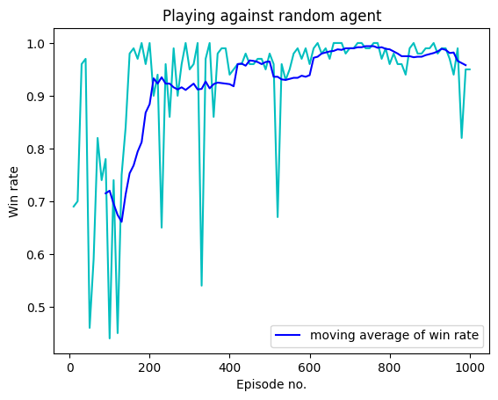 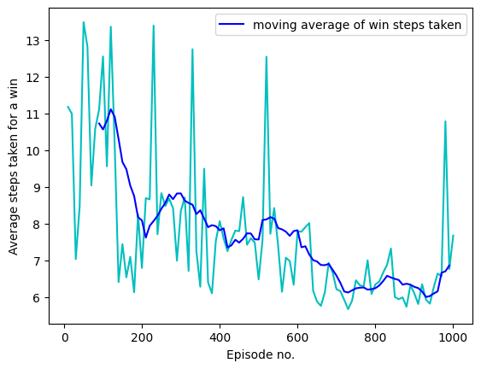 | Episode 99: | win_rate: 0.44 | moves_taken: 12.545454545454545 Episode 199: | win_rate: 1.0 | moves_taken: 6.79 Episode 299: | win_rate: 0.95 | moves_taken: 8.336842105263157 Episode 399: | win_rate: 0.94 | moves_taken: 8.063829787234043 Episode 499: | win_rate: 0.98 | moves_taken: 6.479591836734694 Episode 599: | win_rate: 0.96 | moves_taken: 7.78125 Episode 699: | win_rate: 0.99 | moves_taken: 6.212121212121212 Episode 799: | win_rate: 0.96 | moves_taken: 6.34375 Episode 899: | win_rate: 0.99 | moves_taken: 6.101010101010101 Episode 999: | win_rate: 0.95 | moves_taken: 7.673684210526316 | 14m 57.1s | 0 1 2 3 4 5 0 1 2 3 4 5 0 1 2 3 4 5 0 1 2 O 3 4 5 0 1 2 3 4 5 0 1 2 O 3 4 5 X 0 1 2 3 4 5 0 1 O 2 O 3 4 5 X 0 1 2 3 4 5 0 1 O 2 O 3 X 4 5 X 0 1 2 3 4 5 0 1 O 2 O O 3 X 4 5 X 0 1 2 3 4 5 0 1 O 2 O O 3 X 4 X 5 X 0 1 2 3 4 5 0 O 1 O 2 O O 3 X 4 X 5 X 0 1 2 3 4 5 0 O 1 O 2 O O X 3 X 4 X 5 X 0 1 2 3 4 5 0 O 1 O 2 O O O X 3 X 4 X 5 X 0 1 2 3 4 5 0 O 1 O 2 O O O X X 3 X 4 X 5 X 0 1 2 3 4 5 0 O 1 O 2 O O O X X 3 X 4 X O 5 X 0 1 2 3 4 5 0 O 1 O X 2 O O O X X 3 X 4 X O 5 X 0 1 2 3 4 5 0 O 1 O X 2 O O O O X X 3
6 | 4 | 0.6 | 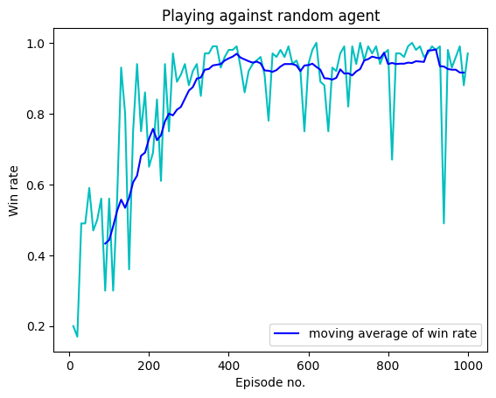 1000 |  | Episode 99: | win_rate: 0.56 | moves_taken: 11.267857142857142 Episode 199: | win_rate: 0.65 | moves_taken: 10.676923076923076 Episode 299: | win_rate: 0.88 | moves_taken: 8.522727272727273 Episode 399: | win_rate: 0.98 | moves_taken: 6.969387755102041 Episode 499: | win_rate: 0.78 | moves_taken: 11.051282051282051 Episode 599: | win_rate: 0.94 | moves_taken: 8.77659574468085 Episode 699: | win_rate: 0.82 | moves_taken: 10.158536585365853 Episode 799: | win_rate: 0.98 | moves_taken: 5.73469387755102 Episode 899: | win_rate: 0.97 | moves_taken: 6.680412371134021 Episode 999: | win_rate: 0.97 | moves_taken: 7.917525773195877 | 16m 20.8s | 0 1 2 3 4 5 0 1 2 3 4 5 0 1 2 3 4 5 0 1 O 2 3 4 5 0 1 2 3 4 5 0 1 O 2 X 3 4 5 0 1 2 3 4 5 0 1 O O 2 X 3 4 5 0 1 2 3 4 5 0 1 O O 2 X 3 4 X 5 0 1 2 3 4 5 0 1 O O 2 X 3 O 4 X 5 0 1 2 3 4 5 0 1 O O 2 X X 3 O 4 X 5 0 1 2 3 4 5 0 O 1 O O 2 X X 3 O 4 X 5 0 1 2 3 4 5 0 O 1 O O 2 X X 3 O X 4 X 5 0 1 2 3 4 5 0 O 1 O O O 2 X X 3 O X 4 X 5 0 1 2 3 4 5 0 O 1 O O O 2 X X 3 O X 4 X 5 X 0 1 2 3 4 5 0 O 1 O O O O 2 X X 3 O X 4 X 5 X
6 | 4 | 0.9 |  2500 |  | Episode 99: | win_rate: 0.43 | moves_taken: 13.813953488372093 Episode 199: | win_rate: 0.49 | moves_taken: 12.061224489795919 Episode 299: | win_rate: 0.9 | moves_taken: 9.311111111111112 Episode 399: | win_rate: 0.96 | moves_taken: 6.979166666666667 Episode 499: | win_rate: 0.71 | moves_taken: 10.253521126760564 Episode 599: | win_rate: 0.9 | moves_taken: 9.688888888888888 Episode 699: | win_rate: 0.96 | moves_taken: 7.3125 Episode 799: | win_rate: 0.94 | moves_taken: 8.414893617021276 Episode 899: | win_rate: 0.87 | moves_taken: 10.333333333333334 Episode 999: | win_rate: 0.97 | moves_taken: 7.793814432989691 Episode 1099: | win_rate: 0.72 | moves_taken: 11.5 Episode 1199: | win_rate: 0.75 | moves_taken: 11.173333333333334 Episode 1299: | win_rate: 0.64 | moves_taken: 11.625 Episode 1399: | win_rate: 0.9 | moves_taken: 9.78888888888889 Episode 1499: | win_rate: 0.97 | moves_taken: 6.257731958762887 Episode 1599: | win_rate: 0.88 | moves_taken: 8.988636363636363 Episode 1699: | win_rate: 0.94 | moves_taken: 8.329787234042554 Episode 1799: | win_rate: 0.98 | moves_taken: 7.275510204081633 Episode 1899: | win_rate: 0.94 | moves_taken: 8.96808510638298 Episode 1999: | win_rate: 0.99 | moves_taken: 6.94949494949495 Episode 2099: | win_rate: 0.96 | moves_taken: 6.916666666666667 Episode 2199: | win_rate: 0.99 | moves_taken: 6.888888888888889 Episode 2299: | win_rate: 0.96 | moves_taken: 8.739583333333334 Episode 2399: | win_rate: 0.96 | moves_taken: 9.104166666666666 Episode 2499: | win_rate: 0.95 | moves_taken: 7.63157894736842 | 42m 52.5s | 0 1 2 3 4 5 0 1 2 3 4 5 0 1 2 3 4 5 0 1 2 O 3 4 5 0 1 2 3 4 5 0 1 2 X O 3 4 5 0 1 2 3 4 5 0 1 2 X O 3 4 5 O 0 1 2 3 4 5 0 1 2 X O X 3 4 5 O 0 1 2 3 4 5 0 1 2 X O X 3 O 4 5 O 0 1 2 3 4 5 0 1 2 X O X 3 O 4 5 X O 0 1 2 3 4 5 0 1 2 X O X 3 O O 4 5 X O 0 1 2 3 4 5 0 1 2 X O X 3 O O 4 5 X X O 0 1 2 3 4 5 0 1 2 X O X O 3 O O 4 5 X X O 0 1 2 3 4 5 0 1 2 X O X O 3 X O O 4 5 X X O 0 1 2 3 4 5 0 O 1 2 X O X O 3 X O O 4 5 X X O 0 1 2 3 4 5 0 O 1 2 X O X O 3 X O O X 4 5 X X O 0 1 2 3 4 5 0 O 1 2 O X O X O 3 X O O X 4 5 X X O 0 1 2 3 4 5 0 O
6 | 4 | 0.75 | 2500
6 | 4 | 0.6 | 2500

CONNECT N
3 | 3 | 0.9 | 100 |   | Episode 99: | win_rate: 0.45 | moves_taken: 4.0 Complete | 13.8s | 0 1 2 0 1 2 0 1 2 0 1 2 O 0 1 2 0 X 1 2 O 0 1 2 0 X O 1 2 O 0 1 2 0 X X O 1 2 O 0 1 2 0 X X O 1 O 2 O
3 | 3 | 0.75 | 100 |   | Episode 99: | win_rate: 0.41 | moves_taken: 4.024390243902439 | 12.4s | 0 1 2 0 1 2 0 1 2 0 1 O 2 0 1 2 0 X 1 O 2 0 1 2 0 X 1 O O 2 0 1 2 0 X X 1 O O 2 0 1 2 0 X X 1 O O O 2
3 | 3 | 0.6 | 100 |   | Episode 99: | win_rate: 0.41 | moves_taken: 4.219512195121951 | 12.4s | 0 1 2 0 1 2 0 1 2 0 1 O 2 0 1 2 0 1 O 2 X 0 1 2 0 1 O O 2 X 0 1 2 0 1 O O 2 X X 0 1 2 0 O 1 O O 2 X X 0 1 2 0 X O 1 O O 2 X X 0 1 2 0 X O 1 O O O 2 X X
3 | 3 | 0.9 |  1000 |  | Episode 99: | win_rate: 0.44 | moves_taken: 4.090909090909091 Episode 199: | win_rate: 0.64 | moves_taken: 3.703125 Episode 299: | win_rate: 0.75 | moves_taken: 3.5733333333333333 Episode 399: | win_rate: 0.7 | moves_taken: 3.6285714285714286 Episode 499: | win_rate: 0.63 | moves_taken: 3.7777777777777777 Episode 599: | win_rate: 0.55 | moves_taken: 3.8 Episode 699: | win_rate: 0.49 | moves_taken: 3.877551020408163 Episode 799: | win_rate: 0.66 | moves_taken: 3.878787878787879 Episode 899: | win_rate: 0.69 | moves_taken: 3.6956521739130435 Episode 999: | win_rate: 0.66 | moves_taken: 3.8181818181818183 | 3m 0.5s | 0 1 2 0 1 2 0 1 2 0 O 1 2 0 1 2 0 O 1 X 2 0 1 2 0 O O 1 X 2 0 1 2 0 O O 1 X X 2 0 1 2 0 O O O 1 X X 2
3 | 3 | 0.75 |  1000 |  | Episode 99: | win_rate: 0.74 | moves_taken: 3.77027027027027 Episode 199: | win_rate: 0.71 | moves_taken: 3.619718309859155 Episode 299: | win_rate: 0.65 | moves_taken: 3.4153846153846152 Episode 399: | win_rate: 0.37 | moves_taken: 3.972972972972973 Episode 499: | win_rate: 0.7 | moves_taken: 3.757142857142857 Episode 599: | win_rate: 0.76 | moves_taken: 3.5921052631578947 Episode 699: | win_rate: 0.65 | moves_taken: 3.5538461538461537 Episode 799: | win_rate: 0.45 | moves_taken: 4.022222222222222 Episode 899: | win_rate: 0.65 | moves_taken: 3.9846153846153847 Episode 999: | win_rate: 0.67 | moves_taken: 3.746268656716418 Complete | 2m 57.7s | 0 1 2 0 1 2 0 1 2 0 O 1 2 0 1 2 0 O 1 X 2 0 1 2 0 O O 1 X 2 0 1 2 0 O O 1 X X 2 0 1 2 0 O O 1 X X 2 O 0 1 2 0 O O 1 X X 2 O X 0 1 2 0 O O O 1 X X 2 O X
3 | 3 | 0.6 | 1000 |   | Episode 99: | win_rate: 0.73 | moves_taken: 3.589041095890411 Episode 199: | win_rate: 0.46 | moves_taken: 4.065217391304348 Episode 299: | win_rate: 0.48 | moves_taken: 4.020833333333333 Episode 399: | win_rate: 0.63 | moves_taken: 3.7936507936507935 Episode 499: | win_rate: 0.68 | moves_taken: 3.6470588235294117 Episode 599: | win_rate: 0.36 | moves_taken: 4.527777777777778 Episode 699: | win_rate: 0.49 | moves_taken: 4.122448979591836 Episode 799: | win_rate: 0.66 | moves_taken: 3.9393939393939394 Episode 899: | win_rate: 0.64 | moves_taken: 3.703125 Episode 999: | win_rate: 0.66 | moves_taken: 3.803030303030303 | 3m 11.3s | 0 1 2 0 1 2 0 1 2 0 1 O 2 0 1 2 0 X 1 O 2 0 1 2 0 X 1 O O 2 0 1 2 0 X 1 O O 2 X 0 1 2 0 O X 1 O O 2 X 0 1 2 0 O X 1 O O 2 X X 0 1 2 0 O X 1 O O O 2 X X
3 | 3 | 0.9 | 2500 |   | Episode 99: | win_rate: 0.61 | moves_taken: 3.8360655737704916 Episode 199: | win_rate: 0.38 | moves_taken: 4.131578947368421 Episode 299: | win_rate: 0.35 | moves_taken: 4.371428571428571 Episode 399: | win_rate: 0.59 | moves_taken: 4.0508474576271185 Episode 499: | win_rate: 0.66 | moves_taken: 3.893939393939394 Episode 599: | win_rate: 0.4 | moves_taken: 4.15 Episode 699: | win_rate: 0.46 | moves_taken: 4.065217391304348 Episode 799: | win_rate: 0.5 | moves_taken: 4.22 Episode 899: | win_rate: 0.68 | moves_taken: 3.75 Episode 999: | win_rate: 0.69 | moves_taken: 3.3768115942028984 Episode 1099: | win_rate: 0.67 | moves_taken: 3.7611940298507465 Episode 1199: | win_rate: 0.6 | moves_taken: 3.95 Episode 1299: | win_rate: 0.65 | moves_taken: 3.6153846153846154 Episode 1399: | win_rate: 0.67 | moves_taken: 3.8208955223880596 Episode 1499: | win_rate: 0.45 | moves_taken: 4.2444444444444445 Episode 1599: | win_rate: 0.81 | moves_taken: 3.617283950617284 Episode 1699: | win_rate: 0.72 | moves_taken: 3.763888888888889 Episode 1799: | win_rate: 0.73 | moves_taken: 3.493150684931507 Episode 1899: | win_rate: 0.75 | moves_taken: 3.84 Episode 1999: | win_rate: 0.61 | moves_taken: 3.9836065573770494 Episode 2099: | win_rate: 0.55 | moves_taken: 4.109090909090909 Episode 2199: | win_rate: 0.57 | moves_taken: 4.140350877192983 Episode 2299: | win_rate: 0.75 | moves_taken: 3.7866666666666666 Episode 2399: | win_rate: 0.52 | moves_taken: 4.134615384615385 Episode 2499: | win_rate: 0.66 | moves_taken: 3.772727272727273 Complete | 7m 57.2s | 0 1 2 0 1 2 0 1 2 0 1 2 O 0 1 2 0 1 2 X O 0 1 2 0 O 1 2 X O 0 1 2 0 O X 1 2 X O 0 1 2 0 O X 1 O 2 X O 0 1 2 0 O X 1 X O 2 X O 0 1 2 0 O O X 1 X O 2 X O 0 1 2 0 O O X 1 X O 2 X X O 0 1 2 0 O O X 1 X O O 2 X X O
3 | 3 | 0.75 |  2500 |  | Episode 99: | win_rate: 0.58 | moves_taken: 3.7413793103448274 Episode 199: | win_rate: 0.54 | moves_taken: 3.9074074074074074 Episode 299: | win_rate: 0.6 | moves_taken: 3.6666666666666665 Episode 399: | win_rate: 0.59 | moves_taken: 3.6779661016949152 Episode 499: | win_rate: 0.59 | moves_taken: 3.830508474576271 Episode 599: | win_rate: 0.46 | moves_taken: 4.173913043478261 Episode 699: | win_rate: 0.77 | moves_taken: 3.727272727272727 Episode 799: | win_rate: 0.63 | moves_taken: 3.7777777777777777 Episode 899: | win_rate: 0.84 | moves_taken: 3.7976190476190474 Episode 999: | win_rate: 0.86 | moves_taken: 3.4651162790697674 Episode 1099: | win_rate: 0.55 | moves_taken: 4.236363636363636 Episode 1199: | win_rate: 0.59 | moves_taken: 4.101694915254237 Episode 1299: | win_rate: 0.67 | moves_taken: 3.626865671641791 Episode 1399: | win_rate: 0.53 | moves_taken: 4.018867924528302 Episode 1499: | win_rate: 0.4 | moves_taken: 4.3 Episode 1599: | win_rate: 0.65 | moves_taken: 3.830769230769231 Episode 1699: | win_rate: 0.69 | moves_taken: 3.9420289855072466 Episode 1799: | win_rate: 0.59 | moves_taken: 4.067796610169491 Episode 1899: | win_rate: 0.8 | moves_taken: 4.1125 Episode 1999: | win_rate: 0.47 | moves_taken: 4.25531914893617 Episode 2099: | win_rate: 0.65 | moves_taken: 3.5846153846153848 Episode 2199: | win_rate: 0.7 | moves_taken: 3.5714285714285716 Episode 2299: | win_rate: 0.71 | moves_taken: 3.8732394366197185 Episode 2399: | win_rate: 0.6 | moves_taken: 3.6166666666666667 Episode 2499: | win_rate: 0.67 | moves_taken: 3.955223880597015 Complete | 7m 59.8s | 0 1 2 0 1 2 0 1 2 0 O 1 2 0 1 2 0 O X 1 2 0 1 2 0 O X 1 2 O 0 1 2 0 O X 1 X 2 O 0 1 2 0 O X 1 X O 2 O 0 1 2 0 O X 1 X X O 2 O 0 1 2 0 O X O 1 X X O 2 O
3 | 3 | 0.6 | 2500 |   | Episode 99: | win_rate: 0.66 | moves_taken: 3.696969696969697 Episode 199: | win_rate: 0.62 | moves_taken: 4.064516129032258 Episode 299: | win_rate: 0.63 | moves_taken: 3.4444444444444446 Episode 399: | win_rate: 0.59 | moves_taken: 4.0508474576271185 Episode 499: | win_rate: 0.67 | moves_taken: 3.9402985074626864 Episode 599: | win_rate: 0.77 | moves_taken: 3.4805194805194803 Episode 699: | win_rate: 0.72 | moves_taken: 3.6527777777777777 Episode 799: | win_rate: 0.64 | moves_taken: 3.96875 Episode 899: | win_rate: 0.72 | moves_taken: 3.5416666666666665 Episode 999: | win_rate: 0.61 | moves_taken: 3.5737704918032787 Episode 1099: | win_rate: 0.59 | moves_taken: 3.9152542372881354 Episode 1199: | win_rate: 0.75 | moves_taken: 3.6666666666666665 Episode 1299: | win_rate: 0.68 | moves_taken: 3.735294117647059 Episode 1399: | win_rate: 0.73 | moves_taken: 3.863013698630137 Episode 1499: | win_rate: 0.49 | moves_taken: 3.877551020408163 Episode 1599: | win_rate: 0.79 | moves_taken: 3.670886075949367 Episode 1699: | win_rate: 0.69 | moves_taken: 3.5942028985507246 Episode 1799: | win_rate: 0.76 | moves_taken: 3.6184210526315788 Episode 1899: | win_rate: 0.65 | moves_taken: 3.8923076923076922 Episode 1999: | win_rate: 0.64 | moves_taken: 3.671875 Episode 2099: | win_rate: 0.76 | moves_taken: 3.75 Episode 2199: | win_rate: 0.78 | moves_taken: 3.717948717948718 Episode 2299: | win_rate: 0.8 | moves_taken: 3.7125 Episode 2399: | win_rate: 0.7 | moves_taken: 3.642857142857143 Episode 2499: | win_rate: 0.72 | moves_taken: 3.9166666666666665 | 7m 48.8s | 0 1 2 0 1 2 0 1 2 0 O 1 2 0 1 2 0 O 1 2 X 0 1 2 0 O O 1 2 X 0 1 2 0 O O 1 X 2 X 0 1 2 0 O O 1 X 2 X O 0 1 2 0 O O 1 X 2 X X O 0 1 2 0 O O O 1 X 2 X X O

5 | 5 | 0.9 | 100 |   | Episode 99: | win_rate: 0.47 | moves_taken: 10.74468085106383 | 1m 24.4s | 0 1 2 3 4 0 1 2 3 4 0 1 2 3 4 0 1 O 2 3 4 0 1 2 3 4 0 1 O 2 3 4 X 0 1 2 3 4 0 O 1 O 2 3 4 X 0 1 2 3 4 0 O 1 O 2 3 X 4 X 0 1 2 3 4 0 O 1 O O 2 3 X 4 X 0 1 2 3 4 0 O X 1 O O 2 3 X 4 X 0 1 2 3 4 0 O X 1 O O O 2 3 X 4 X 0 1 2 3 4 0 O X 1 O O O 2 3 X X 4 X 0 1 2 3 4 0 O X 1 O O O 2 3 X X 4 O X 0 1 2 3 4 0 O X X 1 O O O 2 3 X X 4 O X 0 1 2 3 4 0 O X X 1 O O O O 2 3 X X 4 O X 0 1 2 3 4 0 O X X 1 O O O O 2 3 X X X 4 O X 0 1 2 3 4 0 O O X X 1 O O O O 2 3 X X X 4 O X 0 1 2 3 4 0 O O X X 1 O O O O 2 3 X X X X 4 O X 0 1 2 3 4 0 O O X X 1 O O O O 2 3 X X X X 4 O O X 0 1 2 3 4 0 O O X X 1 O O O O 2 3 X X X X 4 O O X X 0 1 2 3 4 0 O O X X 1 O O O O O 2 3 X X X X 4 O O X X
5 | 5 | 0.75 |  100 |  | Episode 99: | win_rate: 0.65 | moves_taken: 8.861538461538462 | 1m 21.6s | 0 1 2 3 4 0 1 2 3 4 0 1 2 3 4 0 1 O 2 3 4 0 1 2 3 4 0 1 O 2 X 3 4 0 1 2 3 4 0 1 O O 2 X 3 4 0 1 2 3 4 0 1 O O 2 X X 3 4 0 1 2 3 4 0 1 O O 2 X X 3 O 4 0 1 2 3 4 0 1 O O 2 X X 3 O 4 X 0 1 2 3 4 0 1 O O O 2 X X 3 O 4 X 0 1 2 3 4 0 1 O X O O 2 X X 3 O 4 X 0 1 2 3 4 0 O 1 O X O O 2 X X 3 O 4 X 0 1 2 3 4 0 O 1 O X O O 2 X X 3 O X 4 X 0 1 2 3 4 0 O 1 O X O O 2 X X 3 O X 4 O X 0 1 2 3 4 0 O 1 O X O O 2 X X 3 O X 4 O X X 0 1 2 3 4 0 O 1 O O X O O 2 X X 3 O X 4 O X X 0 1 2 3 4 0 O 1 O O X O O 2 X X X 3 O X 4 O X X 0 1 2 3 4 0 O 1 O O X O O 2 X X X 3 O O X 4 O X X 0 1 2 3 4 0 O 1 O O X O O 2 X X X X 3 O O X 4 O X X 0 1 2 3 4 0 O O 1 O O X O O 2 X X X X 3 O O X 4 O X X 0 1 2 3 4 0 X O O 1 O O X O O 2
5 | 5 | 0.6 |  100 |  | Episode 99: | win_rate: 0.36 | moves_taken: 9.833333333333334 | 1m 21.3s | 0 1 2 3 4 0 1 2 3 4 0 1 2 3 4 0 1 O 2 3 4 0 1 2 3 4 0 1 O 2 3 4 X 0 1 2 3 4 0 1 O 2 O 3 4 X 0 1 2 3 4 0 1 O 2 O 3 X 4 X 0 1 2 3 4 0 1 O 2 O O 3 X 4 X 0 1 2 3 4 0 1 O 2 O O X 3 X 4 X 0 1 2 3 4 0 1 O O 2 O O X 3 X 4 X 0 1 2 3 4 0 1 O O 2 O O X 3 X 4 X X 0 1 2 3 4 0 1 O O 2 O O X 3 O X 4 X X 0 1 2 3 4 0 X 1 O O 2 O O X 3 O X 4 X X 0 1 2 3 4 0 X 1 O O 2 O O X 3 O X 4 O X X 0 1 2 3 4 0 X 1 O O 2 X O O X 3 O X 4 O X X 0 1 2 3 4 0 X 1 O O 2 X O O X 3 O O X 4 O X X 0 1 2 3 4 0 X X 1 O O 2 X O O X 3 O O X 4 O X X 0 1 2 3 4 0 X X 1 O O O 2 X O O X 3 O O X 4 O X X 0 1 2 3 4 0 X X 1 O O O 2 X O O X 3 X O O X 4 O X X 0 1 2 3 4 0 X X 1 O O O 2 X O O O X 3 X O O X 4 O X X 0 1 2 3 4 0 X X X 1 O O O 2
5 | 5 | 0.9 |  1000 |  | Episode 99: | win_rate: 0.25 | moves_taken: 11.96 Episode 199: | win_rate: 0.69 | moves_taken: 7.855072463768116 Episode 299: | win_rate: 0.78 | moves_taken: 7.846153846153846 Episode 399: | win_rate: 0.66 | moves_taken: 7.893939393939394 Episode 499: | win_rate: 0.73 | moves_taken: 7.671232876712328 Episode 599: | win_rate: 0.63 | moves_taken: 8.444444444444445 Episode 699: | win_rate: 0.38 | moves_taken: 10.842105263157896 Episode 799: | win_rate: 0.63 | moves_taken: 8.777777777777779 Episode 899: | win_rate: 0.46 | moves_taken: 9.826086956521738 Episode 999: | win_rate: 0.37 | moves_taken: 10.432432432432432 | 14m 44.9s | 0 1 2 3 4 0 1 2 3 4 0 1 2 3 4 0 1 2 3 O 4 0 1 2 3 4 0 1 X 2 3 O 4 0 1 2 3 4 0 1 X 2 O 3 O 4 0 1 2 3 4 0 1 X 2 O 3 O 4 X 0 1 2 3 4 0 O 1 X 2 O 3 O 4 X 0 1 2 3 4 0 O 1 X 2 O 3 O 4 X X 0 1 2 3 4 0 O O 1 X 2 O 3 O 4 X X 0 1 2 3 4 0 O O 1 X 2 X O 3 O 4 X X 0 1 2 3 4 0 O O 1 X 2 X O 3 O O 4 X X 0 1 2 3 4 0 O O 1 X 2 X O 3 O O 4 X X X 0 1 2 3 4 0 O O 1 X 2 X O 3 O O 4 X X X O 0 1 2 3 4 0 O O 1 X X 2 X O 3 O O 4 X X X O 0 1 2 3 4 0 O O 1 X X 2 X O 3 O O 4 X X X O O 0 1 2 3 4 0 O O 1 X X 2 X O X 3 O O 4 X X X O O 0 1 2 3 4 0 O O 1 X X 2 X O X O 3 O O 4 X X X O O 0 1 2 3 4 0 O X O 1 X X 2 X O X O 3 O O 4 X X X O O 0 1 2 3 4 0 O X O 1 X X 2 X O X O 3 O O O 4 X X X O O 0 1 2 3 4 0 O X X O 1 X X 2
5 | 5 | 0.75 |  1000 |  | Episode 99: | win_rate: 0.28 | moves_taken: 11.571428571428571 Episode 199: | win_rate: 0.41 | moves_taken: 10.78048780487805 Episode 299: | win_rate: 0.32 | moves_taken: 12.1875 Episode 399: | win_rate: 0.32 | moves_taken: 10.9375 Episode 499: | win_rate: 0.32 | moves_taken: 11.9375 Episode 599: | win_rate: 0.4 | moves_taken: 9.15 Episode 699: | win_rate: 0.55 | moves_taken: 9.836363636363636 Episode 799: | win_rate: 0.34 | moves_taken: 10.0 Episode 899: | win_rate: 0.62 | moves_taken: 9.35483870967742 Episode 999: | win_rate: 0.46 | moves_taken: 10.08695652173913 | 15m 14.9s | 0 1 2 3 4 0 1 2 3 4 0 1 2 3 4 0 1 2 3 4 O 0 1 2 3 4 0 X 1 2 3 4 O 0 1 2 3 4 0 X 1 O 2 3 4 O 0 1 2 3 4 0 X X 1 O 2 3 4 O 0 1 2 3 4 0 X X 1 O O 2 3 4 O 0 1 2 3 4 0 X X X 1 O O 2 3 4 O 0 1 2 3 4 0 X X X 1 O O 2 3 O 4 O 0 1 2 3 4 0 X X X X 1 O O 2 3 O 4 O 0 1 2 3 4 0 X X X X 1 O O 2 O 3 O 4 O 0 1 2 3 4 0 X X X X 1 O O 2 X O 3 O 4 O 0 1 2 3 4 0 X X X X 1 O O 2 X O O 3 O 4 O 0 1 2 3 4 0 X X X X 1 O O 2 X O X O 3 O 4 O 0 1 2 3 4 0 X X X X 1 O O 2 X O X O 3 O 4 O O 0 1 2 3 4 0 X X X X 1 O O 2 X O X O 3 O 4 O X O 0 1 2 3 4 0 X X X X 1 O O 2 X O X O 3 O O 4 O X O 0 1 2 3 4 0 X X X X 1 O O 2 X O X O 3 X O O 4 O X O 0 1 2 3 4 0 X X X X 1 O O 2 X O X O 3 X O O O 4 O X O 0 1 2 3 4 0 X X X X 1 O O 2
5 | 5 | 0.6 |  1000 |  | Episode 99: | win_rate: 0.35 | moves_taken: 10.942857142857143 Episode 199: | win_rate: 0.64 | moves_taken: 9.6875 Episode 299: | win_rate: 0.65 | moves_taken: 8.953846153846154 Episode 399: | win_rate: 0.52 | moves_taken: 9.326923076923077 Episode 499: | win_rate: 0.68 | moves_taken: 8.058823529411764 Episode 599: | win_rate: 0.52 | moves_taken: 9.884615384615385 Episode 699: | win_rate: 0.44 | moves_taken: 10.181818181818182 Episode 799: | win_rate: 0.62 | moves_taken: 8.919354838709678 Episode 899: | win_rate: 0.44 | moves_taken: 10.454545454545455 Episode 999: | win_rate: 0.6 | moves_taken: 8.466666666666667 Complete | 14m 31.7s | 0 1 2 3 4 0 1 2 3 4 0 1 2 3 4 0 O 1 2 3 4 0 1 2 3 4 0 O 1 X 2 3 4 0 1 2 3 4 0 O O 1 X 2 3 4 0 1 2 3 4 0 O O 1 X 2 X 3 4 0 1 2 3 4 0 O O 1 X 2 O X 3 4 0 1 2 3 4 0 O O 1 X X 2 O X 3 4 0 1 2 3 4 0 O O 1 X X 2 O O X 3 4 0 1 2 3 4 0 O O 1 X X X 2 O O X 3 4 0 1 2 3 4 0 O O O 1 X X X 2 O O X 3 4 0 1 2 3 4 0 O O O 1 X X X X 2 O O X 3 4 0 1 2 3 4 0 O O O 1 X X X X 2 O O O X 3 4 0 1 2 3 4 0 O O O 1 X X X X X 2 O O O X 3 4
5 | 5 | 0.9 |  2500 |  | Episode 99: | win_rate: 0.72 | moves_taken: 8.527777777777779 Episode 199: | win_rate: 0.6 | moves_taken: 9.683333333333334 Episode 299: | win_rate: 0.59 | moves_taken: 8.40677966101695 Episode 399: | win_rate: 0.45 | moves_taken: 11.133333333333333 Episode 499: | win_rate: 0.4 | moves_taken: 11.025 Episode 599: | win_rate: 0.53 | moves_taken: 10.339622641509434 Episode 699: | win_rate: 0.29 | moves_taken: 10.655172413793103 Episode 799: | win_rate: 0.46 | moves_taken: 10.23913043478261 Episode 899: | win_rate: 0.48 | moves_taken: 9.5 Episode 999: | win_rate: 0.59 | moves_taken: 9.067796610169491 Episode 1099: | win_rate: 0.5 | moves_taken: 10.38 Episode 1199: | win_rate: 0.46 | moves_taken: 10.434782608695652 Episode 1299: | win_rate: 0.59 | moves_taken: 8.559322033898304 Episode 1399: | win_rate: 0.43 | moves_taken: 11.046511627906977 Episode 1499: | win_rate: 0.34 | moves_taken: 10.970588235294118 Episode 1599: | win_rate: 0.45 | moves_taken: 10.577777777777778 Episode 1699: | win_rate: 0.38 | moves_taken: 10.447368421052632 Episode 1799: | win_rate: 0.45 | moves_taken: 9.777777777777779 Episode 1899: | win_rate: 0.43 | moves_taken: 10.813953488372093 Episode 1999: | win_rate: 0.35 | moves_taken: 10.6 Episode 2099: | win_rate: 0.46 | moves_taken: 10.652173913043478 Episode 2199: | win_rate: 0.45 | moves_taken: 9.955555555555556 Episode 2299: | win_rate: 0.47 | moves_taken: 10.042553191489361 Episode 2399: | win_rate: 0.45 | moves_taken: 9.822222222222223 Episode 2499: | win_rate: 0.47 | moves_taken: 10.148936170212766 | 35m 39.4s | 0 1 2 3 4 0 1 2 3 4 0 1 2 3 4 0 1 O 2 3 4 0 1 2 3 4 0 X 1 O 2 3 4 0 1 2 3 4 0 X 1 O 2 O 3 4 0 1 2 3 4 0 X 1 O 2 O 3 X 4 0 1 2 3 4 0 X 1 O 2 O 3 X 4 O 0 1 2 3 4 0 X X 1 O 2 O 3 X 4 O 0 1 2 3 4 0 X X 1 O O 2 O 3 X 4 O 0 1 2 3 4 0 X X X 1 O O 2 O 3 X 4 O 0 1 2 3 4 0 X X X 1 O O 2 O 3 X O 4 O 0 1 2 3 4 0 X X X 1 O O 2 O 3 X O 4 X O 0 1 2 3 4 0 X X X O 1 O O 2 O 3 X O 4 X O 0 1 2 3 4 0 X X X O 1 O X O 2 O 3 X O 4 X O 0 1 2 3 4 0 X X X O 1 O X O 2 O O 3 X O 4 X O 0 1 2 3 4 0 X X X O 1 O X O 2 O O 3 X O X 4 X O 0 1 2 3 4 0 X X X O 1 O X O 2 O O 3 X O O X 4 X O 0 1 2 3 4 0 X X X O 1 O X O 2 O O 3 X X O O X 4 X O 0 1 2 3 4 0 X X X O 1 O X O 2 O O O 3 X X O O X 4 X O 0 1 2 3 4 0 X X X O 1 O X O 2
5 | 5 | 0.75 |  2500 |  | Episode 99: | win_rate: 0.73 | moves_taken: 8.753424657534246 Episode 199: | win_rate: 0.74 | moves_taken: 7.743243243243243 Episode 299: | win_rate: 0.68 | moves_taken: 8.029411764705882 Episode 399: | win_rate: 0.7 | moves_taken: 7.642857142857143 Episode 499: | win_rate: 0.76 | moves_taken: 7.684210526315789 Episode 599: | win_rate: 0.7 | moves_taken: 8.442857142857143 Episode 699: | win_rate: 0.64 | moves_taken: 7.453125 Episode 799: | win_rate: 0.74 | moves_taken: 7.986486486486487 Episode 899: | win_rate: 0.76 | moves_taken: 8.197368421052632 Episode 999: | win_rate: 0.46 | moves_taken: 10.391304347826088 Episode 1099: | win_rate: 0.48 | moves_taken: 10.229166666666666 Episode 1199: | win_rate: 0.64 | moves_taken: 8.890625 Episode 1299: | win_rate: 0.44 | moves_taken: 11.363636363636363 Episode 1399: | win_rate: 0.52 | moves_taken: 9.711538461538462 Episode 1499: | win_rate: 0.47 | moves_taken: 10.063829787234043 Episode 1599: | win_rate: 0.41 | moves_taken: 10.804878048780488 Episode 1699: | win_rate: 0.63 | moves_taken: 8.476190476190476 Episode 1799: | win_rate: 0.58 | moves_taken: 8.39655172413793 Episode 1899: | win_rate: 0.61 | moves_taken: 8.819672131147541 Episode 1999: | win_rate: 0.42 | moves_taken: 11.142857142857142 Episode 2099: | win_rate: 0.55 | moves_taken: 8.763636363636364 Episode 2199: | win_rate: 0.56 | moves_taken: 8.892857142857142 Episode 2299: | win_rate: 0.47 | moves_taken: 10.595744680851064 Episode 2399: | win_rate: 0.54 | moves_taken: 9.351851851851851 Episode 2499: | win_rate: 0.52 | moves_taken: 9.25 | 35m 10.9s | 0 1 2 3 4 0 1 2 3 4 0 1 2 3 4 0 O 1 2 3 4 0 1 2 3 4 0 O 1 2 3 4 X 0 1 2 3 4 0 O 1 2 3 O 4 X 0 1 2 3 4 0 O X 1 2 3 O 4 X 0 1 2 3 4 0 O X 1 O 2 3 O 4 X 0 1 2 3 4 0 O X 1 O 2 3 X O 4 X 0 1 2 3 4 0 O X 1 O 2 3 X O O 4 X 0 1 2 3 4 0 O X X 1 O 2 3 X O O 4 X 0 1 2 3 4 0 O X X 1 O O 2 3 X O O 4 X 0 1 2 3 4 0 O X X 1 O O X 2 3 X O O 4 X 0 1 2 3 4 0 O X X 1 O O X O 2 3 X O O 4 X 0 1 2 3 4 0 O X X 1 O O X O 2 X 3 X O O 4 X 0 1 2 3 4 0 O X O X 1 O O X O 2 X 3 X O O 4 X 0 1 2 3 4 0 O X O X 1 O O X O 2 X 3 X X O O 4 X 0 1 2 3 4 0 O X O X 1 O O X O 2 X 3 O X X O O 4 X 0 1 2 3 4 0 O X O X 1 O O X O 2 X 3 O X X O O 4 X X 0 1 2 3 4 0 O X O O X 1 O O X O 2 X 3 O X X O O 4 X X 0 1 2 3 4 0 O X O O X 1 O O X O 2
5 | 5 | 0.6 | 2500 |   | Episode 99: | win_rate: 0.45 | moves_taken: 9.822222222222223 Episode 199: | win_rate: 0.38 | moves_taken: 10.236842105263158 Episode 299: | win_rate: 0.45 | moves_taken: 10.466666666666667 Episode 399: | win_rate: 0.35 | moves_taken: 11.0 Episode 499: | win_rate: 0.6 | moves_taken: 9.916666666666666 Episode 599: | win_rate: 0.37 | moves_taken: 11.18918918918919 Episode 699: | win_rate: 0.42 | moves_taken: 11.333333333333334 Episode 799: | win_rate: 0.49 | moves_taken: 9.979591836734693 Episode 899: | win_rate: 0.43 | moves_taken: 10.534883720930232 Episode 999: | win_rate: 0.39 | moves_taken: 11.051282051282051 Episode 1099: | win_rate: 0.31 | moves_taken: 10.548387096774194 Episode 1199: | win_rate: 0.33 | moves_taken: 11.393939393939394 Episode 1299: | win_rate: 0.42 | moves_taken: 10.619047619047619 Episode 1399: | win_rate: 0.32 | moves_taken: 10.75 Episode 1499: | win_rate: 0.63 | moves_taken: 8.698412698412698 Episode 1599: | win_rate: 0.46 | moves_taken: 10.195652173913043 Episode 1699: | win_rate: 0.42 | moves_taken: 10.19047619047619 Episode 1799: | win_rate: 0.52 | moves_taken: 8.942307692307692 Episode 1899: | win_rate: 0.38 | moves_taken: 10.447368421052632 Episode 1999: | win_rate: 0.51 | moves_taken: 10.529411764705882 Episode 2099: | win_rate: 0.59 | moves_taken: 8.338983050847459 Episode 2199: | win_rate: 0.58 | moves_taken: 9.551724137931034 Episode 2299: | win_rate: 0.54 | moves_taken: 9.277777777777779 Episode 2399: | win_rate: 0.29 | moves_taken: 10.344827586206897 Episode 2499: | win_rate: 0.39 | moves_taken: 10.794871794871796 | 39m 11.4s | 0 1 2 3 4 0 1 2 3 4 0 1 2 3 4 0 1 2 3 O 4 0 1 2 3 4 0 1 2 3 O 4 X 0 1 2 3 4 0 1 O 2 3 O 4 X 0 1 2 3 4 0 1 O X 2 3 O 4 X 0 1 2 3 4 0 O 1 O X 2 3 O 4 X 0 1 2 3 4 0 O 1 O X 2 3 X O 4 X 0 1 2 3 4 0 O 1 O X 2 O 3 X O 4 X 0 1 2 3 4 0 O X 1 O X 2 O 3 X O 4 X 0 1 2 3 4 0 O O X 1 O X 2 O 3 X O 4 X 0 1 2 3 4 0 O O X 1 O X 2 O 3 X O X 4 X 0 1 2 3 4 0 O O X 1 O O X 2 O 3 X O X 4 X 0 1 2 3 4 0 O O X X 1 O O X 2 O 3 X O X 4 X 0 1 2 3 4 0 O O X X 1 O O X O 2 O 3 X O X 4 X 0 1 2 3 4 0 O O X X 1 O O X O 2 O 3 X X O X 4 X 0 1 2 3 4 0 O O X X 1 O O X O 2 O O 3 X X O X 4 X 0 1 2 3 4 0 O O X X 1 O O X X O 2 O O 3 X X O X 4 X 0 1 2 3 4 0 O O X X 1 O O X X O 2 O O 3 X X O X 4 O X 0 1 2 3 4 0 O O X X 1 O O X X O 2

